AirCanada
Stock Opening Value vs. Time Intervals
 | Opening
2 | 38.59
3 | 38.85
4 | 39.2
5 | 39.61
6 | 39.36
7 | 39.17
8 | 39.3
9 | 38.49
10 | 39.54
11 | 38.89
12 | 39.83
13 | 39.52
14 | 39.25
15 | 43.16
16 | 48.3
17 | 48.16
18 | 51.2
19 | 50.71
20 | 64.9
21 | 57.48
22 | 47.34
23 | 42.5
24 | 43.35
25 | 43.69
26 | 42.11
27 | 42.3
28 | 42.32
29 | 42.49
30 | 42.16
31 | 43.94
32 | 43.7
33 | 41.7
34 | 41.86
35 | 42.32
36 | 43.02
37 | 42.17
38 | 43.66
39 | 43.08
40 | 44.2
41 | 44.6
42 | 42.47
43 | 39.83
44 | 38.42
45 | 38.78
46 | 38.44
47 | 40.01
48 | 42.55
49 | 43.4
50 | 41.7
51 | 38
...
 |  |  |  |  |  |  |  |  | Air Canada (AC) Variable Analysis Sorted by Opening Value
 |  |  |  |  |  |  |  |  | https://ca.finance.yahoo.com/quote/AC/history?p=AC
Opening | Predicted Value | Sorted Time | Sorted Opening | (x-mean)^2 |  |  |  |  | Time Intervals | Date | Opening (x) | Predicted Value (y) | x*y
38.59 | 44.666468687 | 69 | 25.99 | 155.81595841 |  |  |  |  | 69 | Apr. 02, 2020 | 25.99 | 36.070932261 | 937.48352947
38.85 | 44.540063739 | 61 | 27.06 | 130.24803821 |  |  |  |  | 61 | Mar. 23, 2020 | 27.06 | 37.082171841 | 1003.44357
39.2 | 44.413658792 | 62 | 27.1 | 129.33662811 |  |  |  |  | 62 | Mar. 24, 2020 | 27.1 | 36.955766893 | 1001.5012828
39.61 | 44.287253845 | 70 | 27.32 | 124.38107255 |  |  |  |  | 70 | Apr. 03, 2020 | 27.32 | 35.944527314 | 982.00448622
39.36 | 44.160848897 | 71 | 27.8 | 113.90495134 |  |  |  |  | 71 | Apr. 06, 2020 | 27.8 | 35.818122367 | 995.74380179
39.17 | 44.03444395 | 64 | 28.16 | 106.35026043 |  |  |  |  | 64 | Mar. 26, 2020 | 28.16 | 36.702956999 | 1033.5552691
39.3 | 43.908039002 | 63 | 28.25 | 104.50208771 |  |  |  |  | 63 | Mar. 25, 2020 | 28.25 | 36.829361946 | 1040.429475 | 798.0625 | 1356.4019013 | Calculations revolving Line of Best Fit
38.49 | 43.781634055 | 66 | 28.95 | 90.680410938 |  |  |  |  | 66 | Mar. 30, 2020 | 28.95 | 36.450147104 | 1055.2317587 | 838.1025 | 1328.6132239 | Coefficient of Correlation (r) |  | 0.5804315175
39.54 | 43.655229107 | 65 | 29.3 | 84.137072554 |  |  |  |  | 65 | Mar. 27, 2020 | 29.3 | 36.576552051 | 1071.6929751 | 858.49 | 1337.8441599 | Coefficient of Determination (r^2) |  | 0.3369007465
38.89 | 43.52882416 | 68 | 30.01 | 71.616043261 |  |  |  |  | 68 | Apr. 01, 2020 | 30.01 | 36.197337209 | 1086.2820896 | 900.6001 | 1310.247221 | m (slope) |  | 0.3369007465
39.83 | 43.402419213 | 67 | 30.16 | 69.099755382 |  |  |  |  | 67 | Mar. 31, 2020 | 30.16 | 36.323742156 | 1095.5240634 | 909.6256 | 1319.4142442 | b (y-intercept) |  | 25.511169755
39.52 | 43.276014265 | 59 | 30.4 | 65.167294776 |  |  |  |  | 59 | Mar. 19, 2020 | 30.4 | 37.334981736 | 1134.9834448 | 924.16 | 1393.9008612
39.25 | 43.149609318 | 98 | 31.19 | 53.036645281 |  |  |  |  | 98 | May 14, 2020 | 31.19 | 32.405188786 | 1010.7178382 | 972.8161 | 1050.0962602 | Equation of best fit lit
43.16 | 43.02320437 | 57 | 31.98 | 42.154195786 |  |  |  |  | 57 | Mar. 17, 2020 | 31.98 | 37.587791631 | 1202.0575763 | 1022.7204 | 1412.8420797 | y = 0.3369x + 25.511
48.3 | 42.896799423 | 60 | 32.59 | 34.605291746 |  |  |  |  | 60 | Mar. 20, 2020 | 32.59 | 37.208576788 | 1212.6275175 | 1062.1081 | 1384.4781866
48.16 | 42.770394475 | 97 | 33.47 | 25.026269524 |  |  |  |  | 97 | May 13, 2020 | 33.47 | 32.531593733 | 1088.8324423 | 1120.2409 | 1058.3045908
Air Canada Predicted vs. Actual Stock Value
 | Predicted Value (y)
25.99 | 36.070932261
27.06 | 37.082171841
27.1 | 36.955766893
27.32 | 35.944527314
27.8 | 35.818122367
28.16 | 36.702956999
28.25 | 36.829361946
28.95 | 36.450147104
29.3 | 36.576552051
30.01 | 36.197337209
30.16 | 36.323742156
30.4 | 37.334981736
31.19 | 32.405188786
31.98 | 37.587791631
32.59 | 37.208576788
33.47 | 32.531593733
33.8 | 35.059692682
33.9 | 34.806882787
34.08 | 32.657998681
34.15 | 32.278783838
34.49 | 34.427667945
34.51 | 34.933287734
34.59 | 37.714196578
34.94 | 34.554072892
34.96 | 37.461386683
35 | 35.186097629
35 | 33.037213523
35.22 | 32.784403628
35.31 | 37.840601525
35.42 | 34.68047784
35.51 | 37.967006473
35.73 | 35.312502577
35.74 | 33.416428365
35.94 | 34.17485805
35.95 | 34.301262997
36.05 | 35.565312472
36.05 | 34.048453102
36.1 | 35.438907524
36.69 | 33.542833313
36.79 | 33.922048155
36.91 | 33.16361847
37 | 32.910808576
37.25 | 33.290023418
38 | 38.472626263
38.42 | 39.357460895
38.44 | 39.104651
38.49 | 43.781634055
38.59 | 44.666468687
38.78 | 39.231055947
38.83 | 33.66923826
...
51.2 | 42.643989528 | 77 | 33.8 | 21.83343619 |  |  |  |  | 77 | Apr. 15, 2020 | 33.8 | 35.059692682 | 1185.0176126 | 1142.44 | 1229.182051
50.71 | 42.51758458 | 79 | 33.9 | 20.908910938 |  |  |  |  | 79 | Apr. 17, 2020 | 33.9 | 34.806882787 | 1179.9533265 | 1149.21 | 1211.5190894
64.9 | 42.391179633 | 96 | 34.08 | 19.295165483 |  |  |  |  | 96 | May 12, 2020 | 34.08 | 32.657998681 | 1112.984595 | 1161.4464 | 1066.5448778
57.48 | 42.264774686 | 99 | 34.15 | 18.685097806 |  |  |  |  | 99 | May 15, 2020 | 34.15 | 32.278783838 | 1102.3204681 | 1166.2225 | 1041.9198861
47.34 | 42.138369738 | 82 | 34.49 | 15.861311948 |  |  |  |  | 82 | Apr. 22, 2020 | 34.49 | 34.427667945 | 1187.4102674 | 1189.5601 | 1185.2643201
42.5 | 42.011964791 | 78 | 34.51 | 15.702406897 |  |  |  |  | 78 | Apr. 16, 2020 | 34.51 | 34.933287734 | 1205.5477597 | 1190.9401 | 1220.3345919
43.35 | 41.885559843 | 56 | 34.59 | 15.074786695 | Box and Whisker Diagram Calculations |  |  | Note: | 56 | Mar. 16, 2020 | 34.59 | 37.714196578 | 1304.5340596 | 1196.4681 | 1422.3606235
43.69 | 41.759154896 | 81 | 34.94 | 12.479448311 | Interquartile Range (IQR) |  | 7.33 | 1. For us to be able to analyze this data, we are going | 81 | Apr. 21, 2020 | 34.94 | 34.554072892 | 1207.3193069 | 1220.8036 | 1193.9839534
42.11 | 41.632749948 | 58 | 34.96 | 12.338543261 | Min |  | 25.99 | to have to sort it from least to greatest. | 58 | Mar. 18, 2020 | 34.96 | 37.461386683 | 1309.6500784 | 1222.2016 | 1403.3554922
42.3 | 41.506345001 | 76 | 35 | 12.05913316 | Q1 |  | 34.98 | 2. Median occurs at the 50th data point (ceil(99/2)) | 76 | Apr. 14, 2020 | 35 | 35.186097629 | 1231.513417 | 1225 | 1238.0614664
42.32 | 41.379940054 | 93 | 35 | 12.05913316 | Median |  | 38.83 | 3. Use function *quartile.inc(array of data, quartile number) | 93 | May 07, 2020 | 35 | 33.037213523 | 1156.3024733 | 1225 | 1091.4574774
42.49 | 41.253535106 | 95 | 35.22 | 10.579577604 | Q3 |  | 42.31 | 4. Outlier is 1.5*IQR away from data | 95 | May 11, 2020 | 35.22 | 32.784403628 | 1154.6666958 | 1240.4484 | 1074.8171213
42.16 | 41.127130159 | 55 | 35.31 | 10.002204877 | Max |  | 64.9 |  | 55 | Mar. 13, 2020 | 35.31 | 37.840601525 | 1336.1516399 | 1246.7961 | 1431.9111238
43.94 | 41.000725211 | 80 | 35.42 | 9.3185270993 | Outlier Min |  | 23.985 |  | 80 | Apr. 20, 2020 | 35.42 | 34.68047784 | 1228.3825251 | 1254.5764 | 1202.7355432
43.7 | 40.874320264 | 54 | 35.51 | 8.777154372 | Outlier Max |  | 53.305 |  | 54 | Mar. 12, 2020 | 35.51 | 37.967006473 | 1348.2083999 | 1260.9601 | 1441.4935805
 |  |  |  |  |  |  |  |  |  | Apr. 13, 2020 | 35.73 | 35.312502577 | 1261.7157171 | 1276.6329 | 1246.9728382
 |  |  |  |  |  |  |  |  |  | May 04, 2020 | 35.74 | 33.416428365 | 1194.3031498 | 1277.3476 | 1116.6576847
 |  |  |  |  |  |  |  |  |  | Apr. 24, 2020 | 35.94 | 34.17485805 | 1228.2443983 | 1291.6836 | 1167.9209227
 |  |  |  |  |  |  |  |  |  | Apr. 23, 2020 | 35.95 | 34.301262997 | 1233.1304048 | 1292.4025 | 1176.5766432
 |  |  |  |  |  |  |  |  |  | Apr. 08, 2020 | 36.05 | 35.565312472 | 1282.1295146 | 1299.6025 | 1264.8914512
 |  |  |  |  |  |  |  |  |  | Apr. 27, 2020 | 36.05 | 34.048453102 | 1227.4467343 | 1299.6025 | 1159.2971587 | Summary Tale without outliers
 |  |  |  |  |  |  |  |  |  | Apr. 09, 2020 | 36.1 | 35.438907524 | 1279.3445616 | 1303.21 | 1255.9161665 | Sum of x | 3686.41
 |  |  |  |  |  |  |  |  |  | May 01, 2020 | 36.69 | 33.542833313 | 1230.6865542 | 1346.1561 | 1125.1216666 | Sum of y | 3724.1340457
 |  |  |  |  |  |  |  |  |  | Apr. 28, 2020 | 36.79 | 33.922048155 | 1247.9921516 | 1353.5041 | 1150.705351 | Sum of x*y | 142645.42571
 |  |  |  |  |  |  |  |  |  | May 06, 2020 | 36.91 | 33.16361847 | 1224.0691577 | 1362.3481 | 1099.8255901 | Sum of x^2 | 142852.6713
 |  |  |  |  |  |  |  |  |  | May 08, 2020 | 37 | 32.910808576 | 1217.6999173 | 1369 | 1083.1213211 | Sum of y^2 | 144242.66923
 |  |  |  |  |  |  |  |  |  | May 05, 2020 | 37.25 | 33.290023418 | 1240.0533723 | 1387.5625 | 1108.2256592 | n (# of elements) | 97
...
 |  |  |  |  |  |  |  |  |  |  |  |  |  |  |  | Summary Tale
 |  |  |  |  |  |  |  |  |  | Feb. 26, 2020 | 38.42 | 39.357460895 | 1512.1136476 | 1476.0964 | 1549.0097281
 |  |  |  |  |  |  |  |  |  | Feb. 28, 2020 | 38.44 | 39.104651 | 1503.1827844 | 1477.6336 | 1529.1737298 | Calculations revolving Line of Best Fit without outliers
 |  |  |  |  |  |  |  |  |  | Jan. 06, 2020 | 38.49 | 43.781634055 | 1685.1550948 | 1481.4801 | 1916.8314805 | Coefficient of Correlation (r) |  | 0.59696692427
 |  |  |  |  |  |  |  |  |  | Dec. 24, 2019 | 38.59 | 44.666468687 | 1723.6790266 | 1489.1881 | 1995.093425 | Coefficient of Determination (r^2) |  | 0.35636950867
 |  |  |  |  |  |  |  |  |  | Feb. 27, 2020 | 38.78 | 39.231055947 | 1521.3803496 | 1503.8884 | 1539.0757507 | m (slope) |  | 0.40406280261
 |  |  |  |  |  |  |  |  |  | Apr. 30, 2020 | 38.83 | 33.66923826 | 1307.3765216 | 1507.7689 | 1133.617605 | b (y-intercept) |  | 23.037040098
 |  |  |  |  |  |  |  |  |  | Dec. 26, 2019 | 38.85 | 44.540063739 | 1730.3814763 | 1509.3225 | 1983.8172779
 |  |  |  |  |  |  |  |  |  | Jan. 08, 2020 | 38.89 | 43.52882416 | 1692.8359716 | 1512.4321 | 1894.7585327 | Equation of best fit lit without outliers
 |  |  |  |  |  |  |  |  |  | Jan. 02, 2020 | 39.17 | 44.03444395 | 1724.8291695 | 1534.2889 | 1939.032254 | y = 0.4041x + 23.037
 |  |  |  |  |  |  |  |  |  | Dec. 27, 2019 | 39.2 | 44.413658792 | 1741.0154246 | 1536.64 | 1972.5730873
Air Canada Predicted vs. Actual Stock Value Without Outliers
 | Predicted Value (y)
25.99 | 36.070932261
27.06 | 37.082171841
27.1 | 36.955766893
27.32 | 35.944527314
27.8 | 35.818122367
28.16 | 36.702956999
28.25 | 36.829361946
28.95 | 36.450147104
29.3 | 36.576552051
30.01 | 36.197337209
30.16 | 36.323742156
30.4 | 37.334981736
31.19 | 32.405188786
31.98 | 37.587791631
32.59 | 37.208576788
33.47 | 32.531593733
33.8 | 35.059692682
33.9 | 34.806882787
34.08 | 32.657998681
34.15 | 32.278783838
34.49 | 34.427667945
34.51 | 34.933287734
34.59 | 37.714196578
34.94 | 34.554072892
34.96 | 37.461386683
35 | 35.186097629
35 | 33.037213523
35.22 | 32.784403628
35.31 | 37.840601525
35.42 | 34.68047784
35.51 | 37.967006473
35.73 | 35.312502577
35.74 | 33.416428365
35.94 | 34.17485805
35.95 | 34.301262997
36.05 | 35.565312472
36.05 | 34.048453102
36.1 | 35.438907524
36.69 | 33.542833313
36.79 | 33.922048155
36.91 | 33.16361847
37 | 32.910808576
37.25 | 33.290023418
38 | 38.472626263
38.42 | 39.357460895
38.44 | 39.104651
38.49 | 43.781634055
38.59 | 44.666468687
38.78 | 39.231055947
38.83 | 33.66923826
...
 |  |  |  |  |  |  |  |  |  | Jan. 13, 2020 | 39.25 | 43.149609318 | 1693.6221657 | 1540.5625 | 1861.8887843
 |  |  |  |  |  |  |  |  |  | Jan. 03, 2020 | 39.3 | 43.908039002 | 1725.5859328 | 1544.49 | 1927.915889
 |  |  |  |  |  |  |  |  |  | Dec. 31, 2019 | 39.36 | 44.160848897 | 1738.1710126 | 1549.2096 | 1950.1805753
 |  |  |  |  |  |  |  |  |  | Jan. 10, 2020 | 39.52 | 43.276014265 | 1710.2680838 | 1561.8304 | 1872.8134107
 |  |  |  |  |  |  |  |  |  | Jan. 07, 2020 | 39.54 | 43.655229107 | 1726.1277589 | 1563.4116 | 1905.7790284
 |  |  |  |  |  |  |  |  |  | Dec. 30, 2019 | 39.61 | 44.287253845 | 1754.2181248 | 1568.9521 | 1961.3608531
 |  |  |  |  |  |  |  |  |  | Mar. 09, 2020 | 39.7 | 38.346221315 | 1522.3449862 | 1576.09 | 1470.4326892
 |  |  |  |  |  |  |  |  |  | Apr. 29, 2020 | 39.7 | 33.795643208 | 1341.6870353 | 1576.09 | 1142.1454998
 |  |  |  |  |  |  |  |  |  | Jan. 09, 2020 | 39.83 | 43.402419213 | 1728.7183572 | 1586.4289 | 1883.7699935
 |  |  |  |  |  |  |  |  |  | Feb. 25, 2020 | 39.83 | 39.483865842 | 1572.6423765 | 1586.4289 | 1558.9756618
 |  |  |  |  |  |  |  |  |  | Mar. 02, 2020 | 40.01 | 38.978246052 | 1559.5196246 | 1600.8001 | 1519.3036653
 |  |  |  |  |  |  |  |  |  | Mar. 10, 2020 | 40.21 | 38.219816368 | 1536.8188161 | 1616.8441 | 1460.7543632
 |  |  |  |  |  |  |  |  |  | Apr. 07, 2020 | 40.9 | 35.691717419 | 1459.7912424 | 1672.81 | 1273.8986923
 |  |  |  |  |  |  |  |  |  | Feb. 10, 2020 | 41.7 | 40.747915316 | 1699.1880687 | 1738.89 | 1660.3926026
 |  |  |  |  |  |  |  |  |  | Mar. 05, 2020 | 41.7 | 38.59903121 | 1609.5796015 | 1738.89 | 1489.8852104
 |  |  |  |  |  |  |  |  |  | Feb. 11, 2020 | 41.86 | 40.621510369 | 1700.416424 | 1752.2596 | 1650.1071047
 |  |  |  |  |  |  |  |  |  | Jan. 30, 2020 | 42.11 | 41.632749948 | 1753.1551003 | 1773.2521 | 1733.2858683
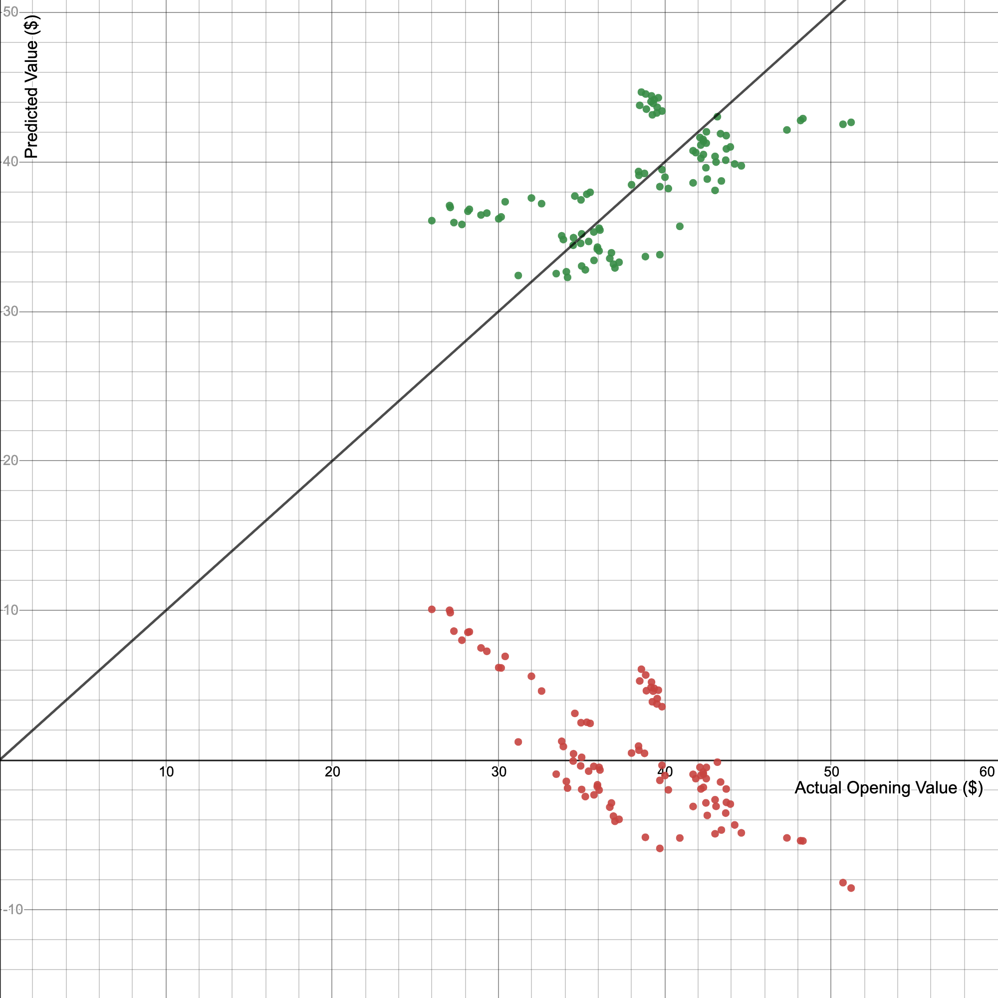
 |  |  |  |  |  |  |  |  |  | Feb. 05, 2020 | 42.16 | 41.127130159 | 1733.9198075 | 1777.4656 | 1691.4408351
 |  |  |  |  |  |  |  |  |  | Feb. 14, 2020 | 42.17 | 40.242295527 | 1697.0176024 | 1778.3089 | 1619.4423493
 |  |  |  |  |  |  |  |  |  | Jan. 31, 2020 | 42.3 | 41.506345001 | 1755.7183935 | 1789.29 | 1722.7766753
 |  |  |  |  |  |  |  |  |  | Feb. 03, 2020 | 42.32 | 41.379940054 | 1751.1990631 | 1790.9824 | 1712.2994388
 |  |  |  |  |  |  |  |  |  | Feb. 12, 2020 | 42.32 | 40.495105422 | 1713.7528614 | 1790.9824 | 1639.8535631
 |  |  |  |  |  |  |  |  |  | Feb. 24, 2020 | 42.47 | 39.61027079 | 1682.2482004 | 1803.7009 | 1568.973552 |  |  |  | y1~x1
 |  |  |  |  |  |  |  |  |  | Feb. 04, 2020 | 42.49 | 41.253535106 | 1752.8627067 | 1805.4001 | 1701.8541588 |  |  |  | r^2 = -0.4304
 |  |  |  |  |  |  |  |  |  | Jan. 27, 2020 | 42.5 | 42.011964791 | 1785.5085036 | 1806.25 | 1765.0051856
 |  |  |  |  |  |  |  |  |  |  | 42.55 | 38.851841105 | 1653.145839 | 1810.5025 | 1509.4655572
 |  |  |  |  |  |  |  |  |  |  | 43.02 | 40.368700474 | 1736.6614944 | 1850.7204 | 1629.631978
 |  |  |  |  |  |  |  |  |  |  | 43.02 | 38.09341142 | 1638.7785593 | 1850.7204 | 1451.1079936
 |  |  |  |  |  |  |  |  |  |  | 43.08 | 39.989485632 | 1722.747041 | 1855.8864 | 1599.1589611
 |  |  |  |  |  |  |  |  |  |  | 43.16 | 43.02320437 | 1856.8815006 | 1862.7856 | 1850.9961143
 |  |  |  |  |  |  |  |  |  |  | 43.35 | 41.885559843 | 1815.7390192 | 1879.2225 | 1754.4001234
 |  |  |  |  |  |  |  |  |  |  | 43.4 | 38.725436157 | 1680.6839292 | 1883.56 | 1499.6594056
 |  |  |  |  |  |  |  |  |  |  | 43.66 | 40.115890579 | 1751.4597827 | 1906.1956 | 1609.284677
 |  |  |  |  |  |  |  |  |  |  | 43.69 | 41.759154896 | 1824.4574774 | 1908.8161 | 1743.8270176
 |  |  |  |  |  |  |  |  |  |  | 43.7 | 40.874320264 | 1786.2077955 | 1909.69 | 1670.710057
35.74 | 33.416428365 | 30 | 43.94 | 29.892175584 | (37.663, 41.554] | 41.554 | 24 | 24.242424242 | 30 | Feb. 06, 2020 | 43.94 | 41.000725211 | 1801.5718658 | 1930.7236 | 1681.0594679
37.25 | 33.290023418 | 39 | 44.2 | 32.802809928 | (41.554, 45.445] | 45.445 | 25 | 25.252525253 | 39 | Feb. 20, 2020 | 44.2 | 39.863080684 | 1761.9481663 | 1953.64 | 1589.0652017
36.91 | 33.16361847 | 40 | 44.6 | 37.544708917 | (45.445, 49.336] | 49.336 | 3 | 3.0303030303 | 40 | Feb. 21, 2020 | 44.6 | 39.736675737 | 1772.2557379 | 1989.16 | 1579.0033986
35 | 33.037213523 | 21 | 47.34 | 78.630316998 | (49.336, 53.227] | 53.227 | 2 | 2.0202020202 | 21 | Jan. 24, 2020 | 47.34 | 42.138369738 | 1994.8304234 | 2241.0756 | 1775.6422042
37 | 32.910808576 | 16 | 48.16 | 93.845209928 | (53.227, 57.118] | 57.118 | 0 | 0 | 16 | Jan. 16, 2020 | 48.16 | 42.770394475 | 2059.8221979 | 2319.3856 | 1829.3066436
35.22 | 32.784403628 | 15 | 48.3 | 96.577274574 | (57.118, 61.009] | 61.009 | 1 | 1.0101010101 | 15 | Jan. 15, 2020 | 48.3 | 42.896799423 | 2071.9154121 | 2332.89 | 1840.1354007
34.08 | 32.657998681 | 18 | 50.71 | 149.75331599 | (61.009, 64.9] | 64.9 | 1 | 1.0101010101 | 18 | Jan. 21, 2020 | 50.71 | 42.51758458 | 2156.0667141 | 2571.5041 | 1807.7449986
33.47 | 32.531593733 | 17 | 51.2 | 161.98604225 |  |  |  |  | 17 | Jan. 17, 2020 | 51.2 | 42.643989528 | 2183.3722638 | 2621.44 | 1818.5098429
31.19 | 32.405188786 | 20 | 57.48 | 361.28025639 | Sum | 99 |  |  | 20 | Jan. 23, 2020 | 57.48 | 42.264774686 | 2429.3792489 | 3303.9504 | 1786.3111792
34.15 | 32.278783838 | 19 | 64.9 | 698.40608265 |  |  |  |  | 19 | Jan. 22, 2020 | 64.9 | 42.391179633 | 2751.1875582 | 4212.01 | 1797.0121107
AIR CANADA OPENING STOCK VALUE
[25.99, 29.881] | 9
(29.881, 33.772] | 7
(33.772, 37.663] | 27
(37.663, 41.554] | 24
(41.554, 45.445] | 25
(45.445, 49.336] | 3
(49.336, 53.227] | 2
(53.227, 57.118] | 0
(57.118, 61.009] | 1
(61.009, 64.9] | 1

Google
Stock Opening Value vs. Time Intervals
 | Opening
2 | 1348.5
3 | 1346.17
4 | 1362.99
5 | 1350
6 | 1330.11
7 | 1341.55
8 | 1347.86
9 | 1350
10 | 1397.94
11 | 1392.08
12 | 1420.57
13 | 1427.56
14 | 1436.13
15 | 1439.01
16 | 1430.21
17 | 1447.44
18 | 1462.91
19 | 1479.12
20 | 1491
21 | 1487.64
22 | 1493.59
23 | 1431
24 | 1443
25 | 1458.8
26 | 1439.96
27 | 1468.9
28 | 1462
29 | 1457.07
30 | 1462.42
31 | 1450.33
32 | 1467.3
33 | 1474.32
34 | 1511.81
35 | 1514.48
36 | 1512.69
37 | 1515.6
38 | 1515
39 | 1525.07
40 | 1522
41 | 1508.03
42 | 1426.11
43 | 1433
44 | 1396.14
45 | 1362.06
46 | 1277.5
47 | 1351.61
48 | 1399.42
49 | 1359.23
50 | 1350.2
51 | 1277.06
...
 |  |  |  |  |  |  |  |  | Google (GOOG) Variable Analysis Sorted By Opening Value
 |  |  |  |  |  |  |  |  | https://ca.finance.yahoo.com/quote/GOOG/history?p=GOOG
Opening | Predicted Value | Sorted Time | Sorted Opening | (x-mean)^2 |  |  |  |  | Time Intervals | Date | Opening (x) | Predicted Value (y) | x*y
1348.5 | 1436.6872808 | 58 | 1056.51 | 74136.942961 |  |  |  |  | 58 | Mar. 18, 2020 | 1056.51 | 1310.7880073 | 1384860.6376
1346.17 | 1434.4785216 | 61 | 1061.32 | 71540.735841 |  |  |  |  | 61 | Mar. 23, 2020 | 1061.32 | 1304.1617298 | 1384132.9271
1362.99 | 1432.2697624 | 59 | 1093.05 | 55573.819081 |  |  |  |  | 59 | Mar. 19, 2020 | 1093.05 | 1308.5792482 | 1430342.5472
1350 | 1430.0610033 | 57 | 1093.11 | 55545.533761 |  |  |  |  | 57 | Mar. 17, 2020 | 1093.11 | 1312.9967665 | 1435249.8955
1330.11 | 1427.8522441 | 56 | 1096 | 54191.649681 |  |  |  |  | 56 | Mar. 16, 2020 | 1096 | 1315.2055257 | 1441465.2562
1341.55 | 1425.6434849 | 69 | 1098.26 | 53144.541961 |  |  |  |  | 69 | Apr. 02, 2020 | 1098.26 | 1286.4916563 | 1412902.3265
1347.86 | 1423.4347257 | 62 | 1103.77 | 50634.450441 |  |  |  |  | 62 | Mar. 24, 2020 | 1103.77 | 1301.9529706 | 1437056.6304
1350 | 1421.2259665 | 64 | 1111.8 | 47085.094081 |  |  |  |  | 64 | Mar. 26, 2020 | 1111.8 | 1297.5354522 | 1442599.9158
1397.94 | 1419.0172073 | 70 | 1119.02 | 44003.872441 |  |  |  |  | 70 | Apr. 03, 2020 | 1119.02 | 1284.2828971 | 1437138.2476
1392.08 | 1416.8084482 | 68 | 1122 | 42762.517681 |  |  |  |  | 68 | Apr. 01, 2020 | 1122 | 1288.7004155 | 1445921.8662
1420.57 | 1414.599689 | 66 | 1125.04 | 41514.470001 |  |  |  |  | 66 | Mar. 30, 2020 | 1125.04 | 1293.1179339 | 1454809.4003 | 1265715.0016 | 1672153.9909
1427.56 | 1412.3909298 | 65 | 1125.67 | 41258.140641 |  |  |  |  | 65 | Mar. 27, 2020 | 1125.67 | 1295.3266931 | 1458110.3986 | 1267132.9489 | 1677871.2417 | Calculations revolving Line of Best Fit without outliers
1436.13 | 1410.1821706 | 54 | 1126 | 41124.189681 |  |  |  |  | 54 | Mar. 12, 2020 | 1126 | 1319.6230441 | 1485895.5476 | 1267876 | 1741404.9784 | Coefficient of Correlation (r) | 0.47285487519
1439.01 | 1407.9734114 | 63 | 1126.47 | 40933.787041 |  |  |  |  | 63 | Mar. 25, 2020 | 1126.47 | 1299.7442114 | 1464122.8618 | 1268934.6609 | 1689335.0151 | Coefficient of Determination (r^2) | 0.22359173299
1430.21 | 1405.7646522 | 60 | 1135.72 | 37276.411041 |  |  |  |  | 60 | Mar. 20, 2020 | 1135.72 | 1306.370489 | 1483671.0917 | 1289859.9184 | 1706603.8545 | m (slope) | 0.23258269074
1447.44 | 1403.5558931 | 71 | 1138 | 36401.205681 |  |  |  |  | 71 | Apr. 06, 2020 | 1138 | 1282.074138 | 1459000.369 | 1295044 | 1643714.0952 | b (y-intercept) | 1018.299915
1462.91 | 1401.3471339 | 67 | 1147.3 | 32938.983081 |  |  |  |  | 67 | Mar. 31, 2020 | 1147.3 | 1290.9091747 | 1481060.0961 | 1316297.29 | 1666446.4973
1479.12 | 1399.1383747 | 55 | 1179 | 22437.343681 |  |  |  |  | 55 | Mar. 13, 2020 | 1179 | 1317.4142849 | 1553231.4419 | 1390041 | 1735580.398 | Equation of best fit lit without outliers
1491 | 1396.9296155 | 51 | 1205.3 | 15250.027081 |  |  |  |  | 51 | Mar. 09, 2020 | 1205.3 | 1326.2493216 | 1598528.3074 | 1452748.09 | 1758937.2631 | y = 0.2326x + 1018.3
1487.64 | 1394.7208563 | 73 | 1206.5 | 14955.088681 |  |  |  |  | 73 | Apr. 08, 2020 | 1206.5 | 1277.6566196 | 1541492.7115 | 1455642.25 | 1632406.4376
Google Predicted vs. Actual Stock Value (No Outliers)
1493.59 | 1392.5120971 | 75 | 1209.18 | 14306.791321 |  |  |  |  | 75 | Apr. 13, 2020 | 1209.18 | 1273.2391012 | 1539575.2564 | 1462116.2724 | 1621137.8089
1431 | 1390.303338 | 72 | 1221 | 11618.899681 |  |  |  |  | 72 | Apr. 07, 2020 | 1221 | 1279.8653788 | 1562715.6275 | 1490841 | 1638055.3878
1443 | 1388.0945788 | 74 | 1224.08 | 10964.393521 | Box and Whisker Diagram Calculations |  |  | Note: | 74 | Apr. 09, 2020 | 1224.08 | 1275.4478604 | 1561250.217 | 1498371.8464 | 1626767.2446
1458.8 | 1385.8858196 | 76 | 1245.09 | 7005.857401 | Interquartile Range (IQR) |  | 191.2575 | 1. For us to be able to analyze this data, we are going | 76 | Apr. 14, 2020 | 1245.09 | 1271.030342 | 1582547.1686 | 1550249.1081 | 1615518.1304
1439.96 | 1383.6770604 | 82 | 1245.54 | 6930.729001 | Min |  | 1056.51 | to have to sort it from least to greatest. | 82 | Apr. 22, 2020 | 1245.54 | 1257.7777869 | 1566612.5447 | 1551369.8916 | 1582004.9613
1468.9 | 1381.4683012 | 77 | 1245.61 | 6919.078761 | Q1 |  | 1245.5925 | 2. Median occurs at the 50th data point (ceil(100/2)) | 77 | Apr. 15, 2020 | 1245.61 | 1268.8215828 | 1580456.8518 | 1551544.2721 | 1609908.2091
1462 | 1379.259542 | 81 | 1247 | 6689.767681 | Median |  | 1350 | 3. Use function *quartile.inc(array of data, quartile number) | 81 | Apr. 21, 2020 | 1247 | 1259.9865461 | 1571203.223 | 1555009 | 1587566.0964
1457.07 | 1377.0507828 | 53 | 1249.7 | 6255.386281 | Q3 |  | 1436.85 | 4. Outlier is 1.5*IQR away from data | 53 | Mar. 11, 2020 | 1249.7 | 1321.8318033 | 1651893.2045 | 1561750.09 | 1747239.3161
1462.42 | 1374.8420237 | 52 | 1260 | 4732.201681 | Max |  | 1525.07 |  | 52 | Mar. 10, 2020 | 1260 | 1324.0405624 | 1668291.1087 | 1587600 | 1753083.411
1450.33 | 1372.6332645 | 84 | 1261.17 | 4572.599641 | Outlier Min |  | 958.70625 |  | 84 | Apr. 24, 2020 | 1261.17 | 1253.3602686 | 1580700.3699 | 1590549.7689 | 1570911.9628
1467.3 | 1370.4245053 | 80 | 1271 | 3339.799681 | Outlier Max |  | 1723.73625 |  | 80 | Apr. 20, 2020 | 1271 | 1262.1953053 | 1604250.233 | 1615441 | 1593136.9887
 |  |  |  |  |  |  |  |  |  |  | 1271.55 | 1255.5690277 | 1596518.7972 | 1616839.4025 | 1576453.5834
 |  |  |  |  |  |  |  |  |  |  | 1274.1 | 1266.6128237 | 1613791.3986 | 1623330.81 | 1604308.0451
 |  |  |  |  |  |  |  |  |  |  | 1277.06 | 1328.4580808 | 1696520.6767 | 1630882.2436 | 1764800.8725
 |  |  |  |  |  |  |  |  |  |  | 1277.5 | 1339.5018767 | 1711213.6475 | 1632006.25 | 1794265.2778
 |  |  |  |  |  |  |  |  |  |  | 1284.85 | 1264.4040645 | 1624569.5622 | 1650839.5225 | 1598717.6383
 |  |  |  |  |  |  |  |  |  |  | 1287.93 | 1248.9427502 | 1608550.8363 | 1658763.6849 | 1559857.9933
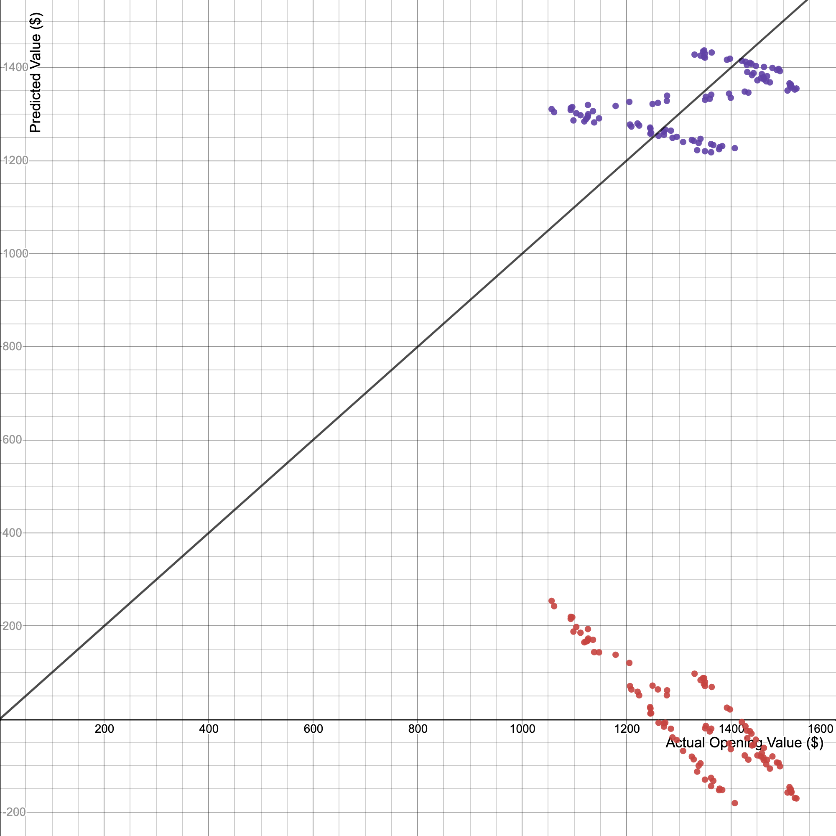
 |  |  |  |  |  |  |  |  |  |  | 1296 | 1251.1515094 | 1621492.3562 | 1679616 | 1565380.0994
 |  |  |  |  |  |  |  |  |  |  | 1308.23 | 1240.1077135 | 1622346.114 | 1711465.7329 | 1537867.141
 |  |  |  |  |  |  |  |  |  |  | 1324.88 | 1244.5252318 | 1648846.5891 | 1755307.0144 | 1548843.0527
 |  |  |  |  |  |  |  |  |  |  | 1328.5 | 1242.3164726 | 1650417.4339 | 1764912.25 | 1543350.2182
 |  |  |  |  |  |  |  |  |  |  | 1330.11 | 1427.8522441 | 1899200.5484 | 1769192.6121 | 2038762.0309
 |  |  |  |  |  |  |  |  |  |  | 1335.02 | 1222.43764 | 1631978.6981 | 1782278.4004 | 1494353.7837
 |  |  |  |  |  |  |  |  |  |  | 1337.92 | 1237.8989543 | 1656209.7689 | 1790029.9264 | 1532393.821
 |  |  |  |  |  |  |  |  |  |  | 1341.46 | 1246.733991 | 1672443.7796 | 1799514.9316 | 1554345.6443 |  |  | y1=x1
 |  |  |  |  |  |  |  |  |  |  | 1341.55 | 1425.6434849 | 1912572.0172 | 1799756.4025 | 2032459.346 |  |  | r^2=-2.211
 |  |  |  |  |  |  |  |  |  |  | 1346.17 | 1434.4785216 | 1931051.9515 | 1812173.6689 | 2057728.629
 |  |  |  |  |  |  |  |  |  |  | 1347.86 | 1423.4347257 | 1918590.7294 | 1816726.5796 | 2026166.4183
 |  |  |  |  |  |  |  |  |  |  | 1348.5 | 1436.6872808 | 1937372.7982 | 1818452.25 | 2064070.3428
 |  |  |  |  |  |  |  |  |  |  | 1350 | 1430.0610033 | 1930582.3544 | 1822500 | 2045074.473
 |  |  |  |  |  |  |  |  |  |  | 1350 | 1421.2259665 | 1918655.0548 | 1822500 | 2019883.2479
 |  |  |  |  |  |  |  |  |  |  | 1350 | 1220.2288808 | 1647308.9891 | 1822500 | 1488958.5216
 |  |  |  |  |  |  |  |  |  |  | 1350.2 | 1330.66684 | 1796666.3674 | 1823040.04 | 1770674.2391
 |  |  |  |  |  |  |  |  |  |  | 1351.61 | 1337.2931175 | 1807498.7506 | 1826849.5921 | 1788352.8822
 |  |  |  |  |  |  |  |  |  |  | 1359.23 | 1332.8755992 | 1811684.5007 | 1847506.1929 | 1776557.3629
 |  |  |  |  |  |  |  |  |  |  | 1361.69 | 1235.6901951 | 1682626.9818 | 1854199.6561 | 1526930.2583
 |  |  |  |  |  |  |  |  |  |  | 1361.75 | 1218.0201216 | 1658638.9006 | 1854363.0625 | 1483573.0167
 |  |  |  |  |  |  |  |  |  |  | 1362.06 | 1341.7106359 | 1827490.3887 | 1855207.4436 | 1800187.4305
 |  |  |  |  |  |  |  |  |  |  | 1362.99 | 1432.2697624 | 1952169.3635 | 1857741.7401 | 2051396.6724
 |  |  |  |  |  |  |  |  |  |  | 1365.94 | 1233.4814359 | 1684861.6326 | 1865792.0836 | 1521476.4527
 |  |  |  |  |  |  |  |  |  |  | 1377.05 | 1224.6463992 | 1686399.324 | 1896266.7025 | 1499758.803
 |  |  |  |  |  |  |  |  |  |  | 1378.28 | 1229.0639175 | 1693994.2163 | 1899655.7584 | 1510598.1134
 |  |  |  |  |  |  |  |  |  |  | 1383.13 | 1231.2726767 | 1703010.1774 | 1913048.5969 | 1516032.4045
 |  |  |  |  |  |  |  |  |  |  | 1392.08 | 1416.8084482 | 1972310.7045 | 1937886.7264 | 2007346.1788
 |  |  |  |  |  |  |  |  |  |  | 1396.14 | 1343.9193951 | 1876299.6243 | 1949206.8996 | 1806119.3405
 |  |  |  |  |  |  |  |  |  |  | 1397.94 | 1419.0172073 | 1983700.9148 | 1954236.2436 | 2013609.8347
 |  |  |  |  |  |  |  |  |  |  | 1399.42 | 1335.0843584 | 1868343.7528 | 1958376.3364 | 1782450.2439
 |  |  |  |  |  |  |  |  |  |  | 1407.12 | 1226.8551584 | 1726332.4304 | 1979986.6944 | 1505173.5796
 |  |  |  |  |  |  |  |  |  |  | 1420.57 | 1414.599689 | 2009537.8802 | 2018019.1249 | 2001092.28
 |  |  |  |  |  |  |  |  |  |  | 1426.11 | 1348.3369135 | 1922876.7557 | 2033789.7321 | 1818012.4322
 |  |  |  |  |  |  |  |  |  |  | 1427.56 | 1412.3909298 | 2016272.7957 | 2037927.5536 | 1994848.1385
 |  |  |  |  |  |  |  |  |  |  | 1430.21 | 1405.7646522 | 2010538.6633 | 2045500.6441 | 1976174.2575
 |  |  |  |  |  |  |  |  |  |  | 1431 | 1390.303338 | 1989524.0766 | 2047761 | 1932943.3715
 |  |  |  |  |  |  |  |  |  |  | 1433 | 1346.1281543 | 1929001.6451 | 2053489 | 1812061.0077
 |  |  |  |  |  |  |  |  |  |  | 1436.13 | 1410.1821706 | 2025204.9207 | 2062469.3769 | 1988613.7543
 |  |  |  |  |  |  |  |  |  |  | 1439.01 | 1407.9734114 | 2026087.8188 | 2070749.7801 | 1982389.1273
 |  |  |  |  |  |  |  |  |  |  | 1439.96 | 1383.6770604 | 1992439.6199 | 2073484.8016 | 1914562.2075
 |  |  |  |  |  |  |  |  |  |  | 1443 | 1388.0945788 | 2003020.4772 | 2082249 | 1926806.5596
 |  |  |  |  |  |  |  |  |  |  | 1447.44 | 1403.5558931 | 2031562.9418 | 2095082.5536 | 1969969.1449
 |  |  |  |  |  |  |  |  |  |  | 1450.33 | 1372.6332645 | 1990771.2025 | 2103457.1089 | 1884122.0788
 |  |  |  |  |  |  |  |  |  |  | 1457.07 | 1377.0507828 | 2006459.3842 | 2123052.9849 | 1896268.8585
 |  |  |  |  |  |  |  |  |  |  | 1458.8 | 1385.8858196 | 2021730.2336 | 2128097.44 | 1920679.5049
 |  |  |  |  |  |  |  |  |  |  | 1462 | 1379.259542 | 2016477.4505 | 2137444 | 1902356.8843
 |  |  |  |  |  |  |  |  |  |  | 1462.42 | 1374.8420237 | 2010596.4722 | 2138672.2564 | 1890190.59
 |  |  |  |  |  |  |  |  |  |  | 1462.91 | 1401.3471339 | 2050044.7356 | 2140105.6681 | 1963773.7896
 |  |  |  |  |  |  |  |  |  |  | 1467.3 | 1370.4245053 | 2010823.8766 | 2152969.29 | 1878063.3247
 |  |  |  |  |  |  |  |  |  |  | 1468.9 | 1381.4683012 | 2029238.7877 | 2157667.21 | 1908454.6673
 |  |  |  |  |  |  |  |  |  |  | 1474.32 | 1368.2157461 | 2017187.8388 | 2173619.4624 | 1872014.3279
 |  |  |  |  |  |  |  |  |  |  | 1479.12 | 1399.1383747 | 2069493.5528 | 2187795.9744 | 1957588.1915
1308.23 | 1240.1077135 | 20 | 1487.64 | 25233.004801 | (1197.078, 1243.934] | 1243.934 | 5 | 5 | 20 | Jan. 23, 2020 | 1487.64 | 1394.7208563 | 2074842.5347 | 2213072.7696 | 1945246.267
1337.92 | 1237.8989543 | 19 | 1491 | 26311.759681 | (1243.934, 1290.79] | 1290.79 | 14 | 14 | 19 | Jan. 22, 2020 | 1491 | 1396.9296155
1361.69 | 1235.6901951 | 21 | 1493.59 | 27158.710401 | (1290.79, 1337.646] | 1337.646 | 6 | 6 | 21 | Jan. 24, 2020 | 1493.59 | 1392.5120971
1365.94 | 1233.4814359 | 40 | 1508.03 | 32126.619121 | (1337.646, 1384.502] | 1384.502 | 20 | 20 | 40 | Feb. 21, 2020 | 1508.03 | 1350.5456726
1383.13 | 1231.2726767 | 33 | 1511.81 | 33495.954361 | (1384.502, 1431.358] | 1431.358 | 10 | 10 | 33 | Feb. 11, 2020 | 1511.81 | 1366.0069869
1378.28 | 1229.0639175 | 35 | 1512.69 | 33818.842201 | (1431.358, 1478.214] | 1478.214 | 15 | 15 | 35 | Feb. 13, 2020 | 1512.69 | 1361.5894686
1407.12 | 1226.8551584 | 34 | 1514.48 | 34480.404721 | (1478.214, 1525.07] | 1525.07 | 12 | 12 | 34 | Feb. 12, 2020 | 1514.48 | 1363.7982277
1377.05 | 1224.6463992 | 37 | 1515 | 34673.791681 |  |  |  |  | 37 | Feb. 18, 2020 | 1515 | 1357.1719502
1335.02 | 1222.43764 | 36 | 1515.6 | 34897.602481 | Sum | 100 |  |  | 36 | Feb. 14, 2020 | 1515.6 | 1359.3807094
1350 | 1220.2288808 | 39 | 1522 | 37329.717681 |  |  |  |  | 39 | Feb. 20, 2020 | 1522 | 1352.7544318
GOOGLE OPENING STOCK VALUE
[1056.51, 1103.059] | 6
(1103.059, 1150.222] | 11
(1150.222, 1197.078] | 1
(1197.078, 1243.934] | 5
(1243.934, 1290.79] | 14
(1290.79, 1337.646] | 6
(1337.646, 1384.502] | 20
(1384.502, 1431.358] | 10
(1431.358, 1478.214] | 15
(1478.214, 1525.07] | 12
1361.75 | 1218.0201216 | 38 | 1525.07 | 38525.445841 |  |  |  |  | 38 | Feb. 19, 2020 | 1525.07 | 1354.963191

Johnson&Johnson
 |  |  |  |  |  |  |  |  | Johnson&Johnson (JNJ) Variable Analysis Sorted By Opening Value
 |  |  |  |  |  |  |  |  | https://ca.finance.yahoo.com/quote/JNJ/history?p=JNJ
Opening | Predicted Value | Sorted Time | Sorted Opening | (x-mean)^2 |  |  |  |  | Time Intervals | Date | Opening (x) | Predicted Value (y) | x*y
Stock Opening Value vs. Time Intervals
 | Opening
2 | 145.97
3 | 146.2
4 | 145.78
5 | 145.1
6 | 145.87
7 | 143.5
8 | 144
9 | 144.01
10 | 144.87
11 | 145.76
12 | 145.75
13 | 145.48
14 | 145.05
15 | 146.4
16 | 147.42
17 | 148.41
18 | 148.58
19 | 146.7
20 | 148.04
21 | 148.58
22 | 147.52
23 | 148.46
24 | 149.45
25 | 150.03
26 | 149.75
27 | 149.42
28 | 151.49
29 | 151.72
30 | 154.25
31 | 153.34
32 | 151.68
33 | 152.29
34 | 151.87
35 | 150.16
36 | 150.56
37 | 150.47
38 | 149.21
39 | 148.61
40 | 148.09
41 | 146.5
42 | 145.99
43 | 145.35
44 | 142.56
45 | 135.36
46 | 134.78
47 | 140
48 | 137.68
49 | 140.8
50 | 138.48
51 | 136.33
...
145.97 | 144.75867273 | 60 | 117 | 697.92033058 |  |  |  |  | 60 | Mar. 23, 2020 | 117 | 143.14461224 | 16747.919633
146.2 | 144.73131577 | 61 | 118.76 | 608.02593058 |  |  |  |  | 61 | Mar. 24, 2020 | 118.76 | 143.11725529 | 16996.605238
145.78 | 144.70395881 | 62 | 118.91 | 600.65097603 |  |  |  |  | 62 | Mar. 25, 2020 | 118.91 | 143.08989833 | 17014.81981
145.1 | 144.67660186 | 63 | 120.57 | 522.0394124 |  |  |  |  | 63 | Mar. 26, 2020 | 120.57 | 143.06254137 | 17249.050613
145.87 | 144.6492449 | 64 | 121.65 | 473.85373967 |  |  |  |  | 64 | Mar. 27, 2020 | 121.65 | 143.03518442 | 17400.230184
143.5 | 144.62188794 | 55 | 123.57 | 393.95032149 |  |  |  |  | 55 | Mar. 16, 2020 | 123.57 | 143.28139703 | 17705.282231
144 | 144.59453098 | 59 | 126.83 | 275.16777603 |  |  |  |  | 59 | Mar. 20, 2020 | 126.83 | 143.1719692 | 18158.500854
144.01 | 144.56717403 | 53 | 127.31 | 259.47352149 |  |  |  |  | 53 | Mar. 12, 2020 | 127.31 | 143.33611095 | 18248.120285
144.87 | 144.53981707 | 67 | 127.7 | 247.06123967 |  |  |  |  | 67 | Apr. 01, 2020 | 127.7 | 142.95311354 | 18255.1126
145.76 | 144.51246011 | 65 | 128.46 | 223.74720331 |  |  |  |  | 65 | Mar. 30, 2020 | 128.46 | 143.00782746 | 18370.785515
145.75 | 144.48510315 | 56 | 128.55 | 221.06283058 |  |  |  |  | 56 | Mar. 17, 2020 | 128.55 | 143.25404007 | 18415.306852
145.48 | 144.4577462 | 68 | 129.12 | 204.43800331 |  |  |  |  | 68 | Apr. 02, 2020 | 129.12 | 142.92575659 | 18454.57369 | 16671.9744 | 20427.771896 | Calculations revolving Line of Best Fit without outliers
145.05 | 144.43038924 | 54 | 129.32 | 198.75873058 |  |  |  |  | 54 | Mar. 13, 2020 | 129.32 | 143.30875399 | 18532.688066 | 16723.6624 | 20537.39897 | Coefficient of Correlation (r) | 0.030168537005
146.4 | 144.40303228 | 57 | 131.02 | 153.7149124 |  |  |  |  | 57 | Mar. 18, 2020 | 131.02 | 143.22668312 | 18765.560022 | 17166.2404 | 20513.882757 | Coefficient of Determination (r^2) | 0.00091014062504
147.42 | 144.37567532 | 69 | 132.38 | 121.84145785 |  |  |  |  | 69 | Apr. 03, 2020 | 132.38 | 142.89839963 | 18916.890143 | 17524.4644 | 20419.952617 | m (slope) | 0.0034164925472
148.41 | 144.34831837 | 45 | 134.78 | 74.618185124 |  |  |  |  | 45 | Mar. 02, 2020 | 134.78 | 143.5549666 | 19348.338399 | 18165.6484 | 20608.028437 | b (y-intercept) | 142.94217021
148.58 | 144.32096141 | 58 | 134.99 | 71.03424876 |  |  |  |  | 58 | Mar. 19, 2020 | 134.99 | 143.19932616 | 19330.477038 | 18222.3001 | 20506.047013
146.7 | 144.29360445 | 66 | 134.99 | 71.03424876 |  |  |  |  | 66 | Mar. 31, 2020 | 134.99 | 142.9804705 | 19300.933713 | 18222.3001 | 20443.414945 | Equation of best fit lit without outliers
148.04 | 144.2662475 | 44 | 135.36 | 64.934294215 |  |  |  |  | 44 | Feb. 28, 2020 | 135.36 | 143.58232356 | 19435.303317 | 18322.3296 | 20615.88364 | y = 0.0034x + 142.94
148.58 | 144.23889054 | 50 | 136.33 | 50.242321488 |  |  |  |  | 50 | Mar. 09, 2020 | 136.33 | 143.41818182 | 19552.200727 | 18585.8689 | 20568.774876
147.52 | 144.21153358 | 70 | 137.01 | 41.064794215 |  |  |  |  | 70 | Apr. 06, 2020 | 137.01 | 142.87104267 | 19574.761556 | 18771.7401 | 20412.134834
Johnson&Johnson Predicted vs. Actual Stock Values (no outliers)
148.46 | 144.18417662 | 47 | 137.68 | 32.926730579 |  |  |  |  | 47 | Mar. 04, 2020 | 137.68 | 143.50025269 | 19757.11479 | 18955.7824 | 20592.322522
149.45 | 144.15681967 | 72 | 137.75 | 32.128285124 | Box and Whisker Diagram Calculations |  |  | Note: | 72 | Apr. 08, 2020 | 137.75 | 142.81632876 | 19672.949286 | 18975.0625 | 20396.50376
150.03 | 144.12946271 | 52 | 138.09 | 28.389521488 | Interquartile Range (IQR) |  | 10.365 | 1. For us to be able to analyze this data, we are going | 52 | Mar. 11, 2020 | 138.09 | 143.3634679 | 19797.061283 | 19068.8481 | 20553.083929
149.75 | 144.10210575 | 49 | 138.48 | 24.385639669 | Min |  | 117 | to have to sort it from least to greatest. | 49 | Mar. 06, 2020 | 138.48 | 143.44553878 | 19864.33821 | 19176.7104 | 20576.622595
149.42 | 144.07474879 | 71 | 139.86 | 12.660657851 | Q1 |  | 139.17 | 2. Median occurs at the 50th data point (ceil(99/2)) | 71 | Apr. 07, 2020 | 139.86 | 142.84368571 | 19978.117884 | 19560.8196 | 20404.318548
151.49 | 144.04739184 | 51 | 139.97 | 11.889957851 | Median |  | 146.08 | 3. Use function *quartile.inc(array of data, quartile number) | 51 | Mar. 10, 2020 | 139.97 | 143.39082486 | 20070.413756 | 19591.6009 | 20560.928654
151.72 | 144.02003488 | 46 | 140 | 11.683966942 | Q3 |  | 149.535 | 4. Outlier is 1.5*IQR away from data | 46 | Mar. 03, 2020 | 140 | 143.52760965 | 20093.865351 | 19600 | 20600.174731
154.25 | 143.99267792 | 74 | 140 | 11.683966942 | Max |  | 155.57 |  | 74 | Apr. 13, 2020 | 140 | 142.76161484 | 19986.626078 | 19600 | 20380.878672
153.34 | 143.96532096 | 48 | 140.8 | 6.8548760331 | Outlier Min |  | 123.6225 |  | 48 | Mar. 05, 2020 | 140.8 | 143.47289573 | 20200.983719 | 19824.64 | 20584.47181
151.68 | 143.93796401 | 43 | 142.56 | 0.73647603306 | Outlier Max |  | 165.0825 |  | 43 | Feb. 27, 2020 | 142.56 | 143.60968052 | 20472.996055 | 20323.3536 | 20623.740339
152.29 | 143.91060705 | 6 | 143.5 | 0.006694214876 |  |  |  |  | 6 | Jan. 03, 2020 | 143.5 | 144.62188794 | 20753.240919 | 20592.25 | 20915.490472
 |  |  |  |  |  |  |  |  |  |  | 144 | 144.59453098 | 20821.612462 | 20736 | 20907.57839
 |  |  |  |  |  |  |  |  |  |  | 144.01 | 144.56717403 | 20819.118731 | 20738.8801 | 20899.667806
 |  |  |  |  |  |  |  |  |  |  | 144.01 | 142.7889718 | 20563.039829 | 20738.8801 | 20388.690468
 |  |  |  |  |  |  |  |  |  |  | 144.87 | 144.53981707 | 20939.483299 | 20987.3169 | 20891.758718
 |  |  |  |  |  |  |  |  |  |  | 145.05 | 144.43038924 | 20949.627959 | 21039.5025 | 20860.137336
 |  |  |  |  |  |  |  |  |  |  | 145.1 | 144.67660186 | 20992.574929 | 21054.01 | 20931.319124
 |  |  |  |  |  |  |  |  |  |  | 145.35 | 143.63703748 | 20877.643397 | 21126.6225 | 20631.598535
 |  |  |  |  |  |  |  |  |  |  | 145.39 | 142.13240482 | 20664.630337 | 21138.2521 | 20201.620501
 |  |  |  |  |  |  |  |  |  |  | 145.42 | 142.73425788 | 20756.415782 | 21146.9764 | 20373.068374
 |  |  |  |  |  |  |  |  |  |  | 145.48 | 144.4577462 | 21015.712917 | 21164.4304 | 20868.040436
 |  |  |  |  |  |  |  |  |  |  | 145.55 | 142.70690093 | 20770.98943 | 21184.8025 | 20365.259572
 |  |  |  |  |  |  |  |  |  |  | 145.75 | 144.48510315 | 21058.703785 | 21243.0625 | 20875.945033
 |  |  |  |  |  |  |  |  |  |  | 145.76 | 144.51246011 | 21064.136186 | 21245.9776 | 20883.851127
 |  |  |  |  |  |  |  |  |  |  | 145.78 | 144.70395881 | 21094.943116 | 21251.8084 | 20939.235696
 |  |  |  |  |  |  |  |  |  |  | 145.87 | 144.6492449 | 21099.985353 | 21278.0569 | 20923.40405
 |  |  |  |  |  |  |  |  |  |  | 145.97 | 144.75867273 | 21130.423458 | 21307.2409 | 20955.07333
 |  |  |  |  |  |  |  |  |  |  | 145.99 | 143.66439443 | 20973.564943 | 21313.0801 | 20639.458228
 |  |  |  |  |  |  |  |  |  |  | 146.08 | 142.15976178 | 20766.698001 | 21339.3664 | 20209.39787
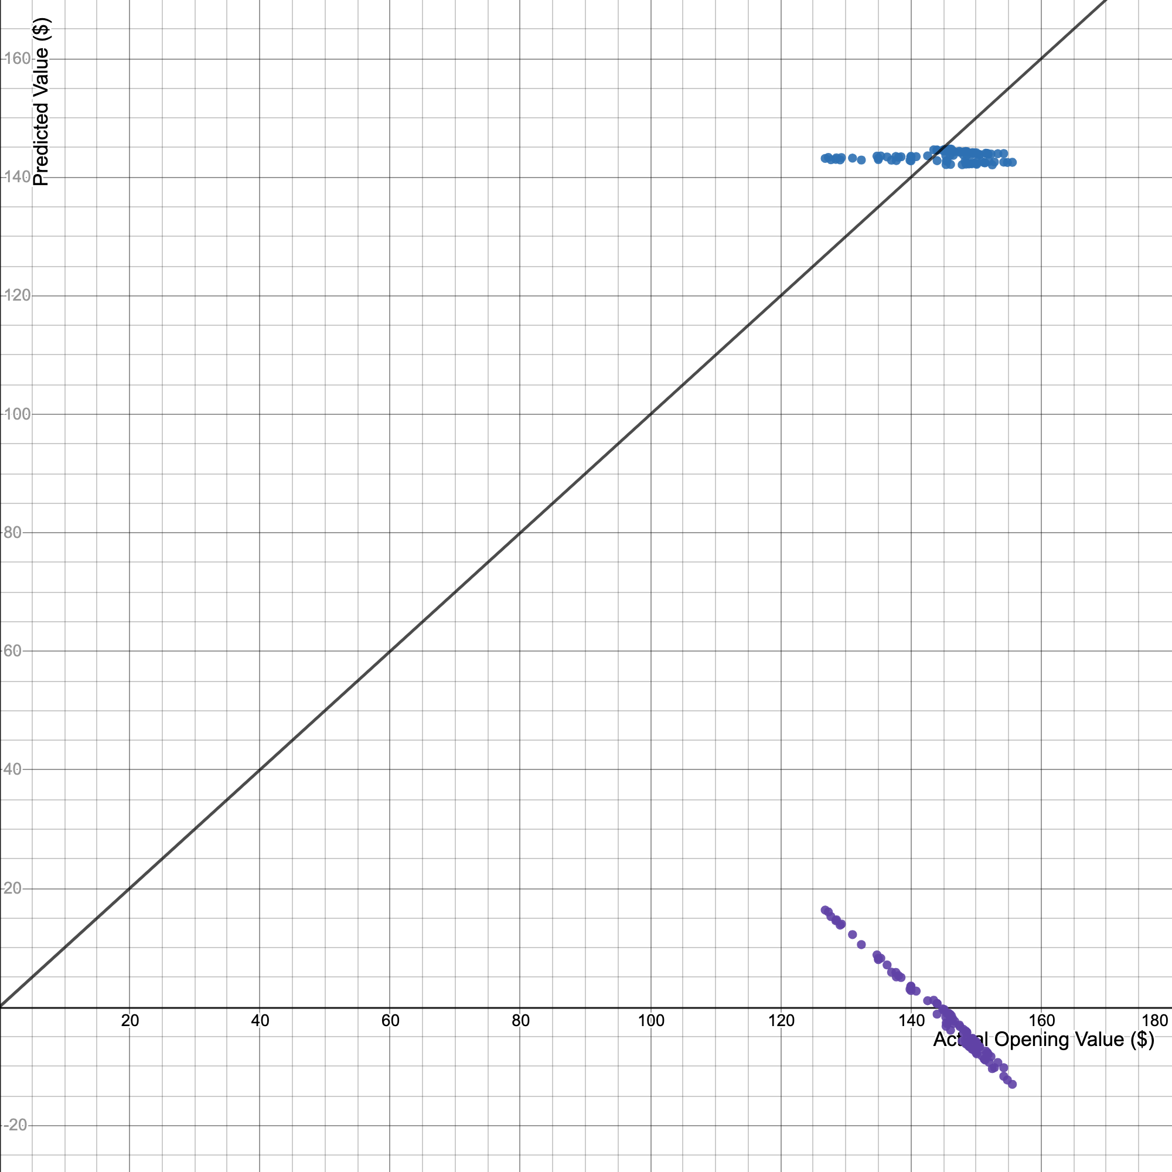
 |  |  |  |  |  |  |  |  |  |  | 146.2 | 144.73131577 | 21159.718366 | 21374.44 | 20947.153764
 |  |  |  |  |  |  |  |  |  |  | 146.4 | 144.40303228 | 21140.603926 | 21432.96 | 20852.235732
 |  |  |  |  |  |  |  |  |  |  | 146.5 | 143.69175139 | 21050.841579 | 21462.25 | 20647.319418
 |  |  |  |  |  |  |  |  |  |  | 146.7 | 144.29360445 | 21167.871773 | 21520.89 | 20820.644286
 |  |  |  |  |  |  |  |  |  |  | 147.42 | 144.37567532 | 21283.862056 | 21732.6564 | 20844.335625
 |  |  |  |  |  |  |  |  |  |  | 147.52 | 144.21153358 | 21274.085434 | 21762.1504 | 20796.966418
 |  |  |  |  |  |  |  |  |  |  | 147.87 | 142.10504787 | 21013.073428 | 21865.5369 | 20193.844629
 |  |  |  |  |  |  |  |  |  |  | 148.04 | 144.2662475 | 21357.175279 | 21915.8416 | 20812.750166
 |  |  |  |  |  |  |  |  |  |  | 148.09 | 143.71910835 | 21283.362755 | 21930.6481 | 20655.182105
 |  |  |  |  |  |  |  |  |  |  | 148.31 | 142.67954397 | 21160.803166 | 21995.8561 | 20357.452268 |  |  | y1=x1
 |  |  |  |  |  |  |  |  |  |  | 148.41 | 144.34831837 | 21422.733929 | 22025.5281 | 20836.437015 |  |  | r^2 = -80.87
 |  |  |  |  |  |  |  |  |  |  | 148.45 | 142.2144757 | 21111.738917 | 22037.4025 | 20224.957097
 |  |  |  |  |  |  |  |  |  |  | 148.46 | 144.18417662 | 21405.582862 | 22040.3716 | 20789.076789
 |  |  |  |  |  |  |  |  |  |  | 148.46 | 142.4059744 | 21141.590959 | 22040.3716 | 20279.461544
 |  |  |  |  |  |  |  |  |  |  | 148.58 | 144.32096141 | 21443.208446 | 22076.0164 | 20828.539902
 |  |  |  |  |  |  |  |  |  |  | 148.58 | 144.23889054 | 21431.014356 | 22076.0164 | 20804.857544
 |  |  |  |  |  |  |  |  |  |  | 148.61 | 143.74646531 | 21362.162209 | 22084.9321 | 20663.046288
 |  |  |  |  |  |  |  |  |  |  | 148.77 | 142.35126048 | 21177.597022 | 22132.5129 | 20263.881361
 |  |  |  |  |  |  |  |  |  |  | 148.92 | 142.24183265 | 21182.653719 | 22177.1664 | 20232.738957
 |  |  |  |  |  |  |  |  |  |  | 149 | 142.32390353 | 21206.261625 | 22201 | 20256.093515
 |  |  |  |  |  |  |  |  |  |  | 149.21 | 143.77382226 | 21452.49202 | 22263.6241 | 20670.911968
 |  |  |  |  |  |  |  |  |  |  | 149.37 | 142.26918961 | 21250.748852 | 22311.3969 | 20240.522312
 |  |  |  |  |  |  |  |  |  |  | 149.42 | 144.07474879 | 21527.648965 | 22326.3364 | 20757.53324
 |  |  |  |  |  |  |  |  |  |  | 149.45 | 144.15681967 | 21544.236699 | 22335.3025 | 20781.188656
 |  |  |  |  |  |  |  |  |  |  | 149.62 | 142.37861744 | 21302.688741 | 22386.1444 | 20271.670704
 |  |  |  |  |  |  |  |  |  |  | 149.75 | 144.10210575 | 21579.290336 | 22425.0625 | 20765.416882
 |  |  |  |  |  |  |  |  |  |  | 150 | 142.29654657 | 21344.481985 | 22500 | 20248.307165
 |  |  |  |  |  |  |  |  |  |  | 150.03 | 144.12946271 | 21623.74329 | 22509.0009 | 20773.302021
 |  |  |  |  |  |  |  |  |  |  | 150.1 | 142.18711874 | 21342.286523 | 22530.01 | 20217.176735
 |  |  |  |  |  |  |  |  |  |  | 150.12 | 142.5974731 | 21406.732662 | 22536.0144 | 20334.039334
 |  |  |  |  |  |  |  |  |  |  | 150.16 | 143.85589314 | 21601.400913 | 22548.0256 | 20694.51799
 |  |  |  |  |  |  |  |  |  |  | 150.47 | 143.80117922 | 21637.763437 | 22641.2209 | 20678.779145
 |  |  |  |  |  |  |  |  |  |  | 150.56 | 143.82853618 | 21654.824407 | 22668.3136 | 20686.647819
 |  |  |  |  |  |  |  |  |  |  | 150.93 | 142.62483006 | 21526.3656 | 22779.8649 | 20341.842148
 |  |  |  |  |  |  |  |  |  |  | 151.25 | 142.46068831 | 21547.179107 | 22876.5625 | 20295.047714
 |  |  |  |  |  |  |  |  |  |  | 151.38 | 142.43333135 | 21561.5577 | 22915.9044 | 20287.253881
 |  |  |  |  |  |  |  |  |  |  | 151.49 | 144.04739184 | 21821.739389 | 22949.2201 | 20749.651095
 |  |  |  |  |  |  |  |  |  |  | 151.68 | 143.93796401 | 21832.510381 | 23006.8224 | 20718.137483
 |  |  |  |  |  |  |  |  |  |  | 151.72 | 144.02003488 | 21850.719692 | 23018.9584 | 20741.770447
149 | 142.32390353 | 33 | 151.87 | 71.433230579 | (128.571, 132.428] | 132.428 | 4 | 4.0404040404 | 33 | Feb. 12, 2020 | 151.87 | 143.88325009 | 21851.549192 | 23064.4969 | 20702.389657
150 | 142.29654657 | 78 | 151.99 | 73.476066942 | (132.428, 136.285] | 136.285 | 4 | 4.0404040404 | 78 | Apr. 17, 2020 | 151.99 | 142.65218701 | 21681.705904 | 23100.9601 | 20349.64646
149.37 | 142.26918961 | 32 | 152.29 | 78.709157851 | (136.285, 140.142] | 140.142 | 10 | 10.101010101 | 32 | Feb. 11, 2020 | 152.29 | 143.91060705 | 21916.146348 | 23192.2441 | 20710.262822
148.92 | 142.24183265 | 99 | 152.49 | 82.297885124 | (140.142, 143.999] | 143.999 | 3 | 3.0303030303 | 99 | May 18, 2020 | 152.49 | 142.07769091 | 21665.427087 | 23253.2001 | 20186.070254
148.45 | 142.2144757 | 81 | 152.81 | 88.20624876 | (143.999, 147.856] | 147.856 | 24 | 24.242424242 | 81 | Apr. 22, 2020 | 152.81 | 142.57011614 | 21786.139448 | 23350.8961 | 20326.238016
150.1 | 142.18711874 | 30 | 153.34 | 98.442476033 | (147.856, 151.713] | 151.713 | 32 | 32.323232323 | 30 | Feb. 07, 2020 | 153.34 | 143.96532096 | 22075.642317 | 23513.1556 | 20726.01364
146.08 | 142.15976178 | 29 | 154.25 | 117.32828512 | (151.713, 155.57] | 155.57 | 11 | 11.111111111 | 29 | Feb. 06, 2020 | 154.25 | 143.99267792 | 22210.870569 | 23793.0625 | 20733.891295
145.39 | 142.13240482 | 82 | 154.25 | 117.32828512 |  |  |  |  | 82 | Apr. 23, 2020 | 154.25 | 142.54275918 | 21987.220604 | 23793.0625 | 20318.438196
147.87 | 142.10504787 | 84 | 154.81 | 129.77352149 | Sum | 99 |  |  | 84 | Apr. 27, 2020 | 154.81 | 142.48804527 | 22058.574288 | 23966.1361 | 20302.843045
152.49 | 142.07769091 | 83 | 155.57 | 147.66668512 |  |  |  |  | 83 | Apr. 24, 2020 | 155.57 | 142.51540223 | 22171.121124 | 24202.0249 | 20310.639872
JOHNSON&JOHNSON OPENING STOCK VALUE
[117, 120.857] | 4
(120.857, 124.714] | 2
(124.714, 128.571] | 5
(128.571, 132.428] | 4
(132.428, 136.285] | 4
(136.285, 140.142] | 10
(140.142, 143.999] | 3
(143.999, 147.856] | 24
(147.856, 151.713] | 32
(151.713, 155.57] | 11

Tesla
Stock Opening Value vs. Time Intervals
 | Opening
2 | 418.36
3 | 427.91
4 | 435
5 | 428.79
6 | 405
7 | 424.5
8 | 440.5
9 | 440.47
10 | 461.4
11 | 473.7
12 | 497.1
13 | 481.79
14 | 493.5
15 | 544.26
16 | 529.76
17 | 493.75
18 | 507.61
19 | 530.25
20 | 571.89
21 | 564.25
22 | 570.63
23 | 541.99
24 | 568.49
25 | 575.69
26 | 632.42
27 | 640
28 | 673.69
29 | 882.96
30 | 823.26
31 | 699.92
32 | 730.55
33 | 800
34 | 768.79
35 | 777.87
36 | 741.84
37 | 787.22
38 | 841.6
39 | 923.5
40 | 911.95
41 | 906.98
42 | 839
43 | 849
44 | 782.5
45 | 730
46 | 629.7
47 | 711.26
48 | 805
49 | 763.96
50 | 723.77
51 | 690
...
 |  |  |  |  |  |  |  |  |  | Tesla (TSLA) Variable Analysis Sorted By Opening Value
 |  |  |  |  |  |  |  |  |  | https://ca.finance.yahoo.com/quote/TSLA/history?p=TSLA
 | Opening | Predicted Value | Sorted Time | Sorted Opening | (x-mean)^2 |  |  |  |  | Time Intervals | Date | Opening (x) | Predicted Value (y) | x*y
 | 418.36 | 530.59390297 | 59 | 374.7 | 70419.273176 |  |  |  |  | 59 | Mar. 19, 2020 | 374.7 | 658.8645904 | 246876.56202
 | 427.91 | 532.80546655 | 58 | 389 | 63034.286996 |  |  |  |  | 58 | Mar. 18, 2020 | 389 | 656.65302682 | 255438.02743
 | 435 | 535.01703012 | 5 | 405 | 55256.165396 |  |  |  |  | 5 | Dec. 31, 2019 | 405 | 539.44015728 | 218473.2637
 | 428.79 | 537.2285937 | 1 | 418.36 | 49153.68346 |  |  |  |  | 1 | Dec. 24, 2019 | 418.36 | 530.59390297 | 221979.26525
 | 405 | 539.44015728 | 6 | 424.5 | 46468.829696 |  |  |  |  | 6 | Jan. 02, 2020 | 424.5 | 541.65172085 | 229931.1555
 | 424.5 | 541.65172085 | 2 | 427.91 | 45010.29563 |  |  |  |  | 2 | Dec. 26, 2019 | 427.91 | 532.80546655 | 227992.78719
 | 440.5 | 543.86328443 | 4 | 428.79 | 44637.674942 |  |  |  |  | 4 | Dec. 30, 2019 | 428.79 | 537.2285937 | 230358.24869
 | 440.47 | 546.074848 | 61 | 433.6 | 42628.333036 |  |  |  |  | 61 | Mar. 23, 2020 | 433.6 | 663.28771755 | 287601.55433
 | 461.4 | 548.28641158 | 3 | 435 | 42052.187396 |  |  |  |  | 3 | Dec. 27, 2019 | 435 | 535.01703012 | 232732.4081
 | 473.7 | 550.49797516 | 60 | 438.2 | 40750.003076 |  |  |  |  | 60 | Mar. 20, 2020 | 438.2 | 661.07615398 | 289683.57067
 | 497.1 | 552.70953873 | 57 | 440.01 | 40022.52317 |  |  |  |  | 57 | Mar. 17, 2020 | 440.01 | 654.44146325 | 287960.78824 | 193608.8001 | 428293.62882
 | 481.79 | 554.92110231 | 8 | 440.47 | 39838.682974 |  |  |  |  | 8 | Jan. 06, 2020 | 440.47 | 546.074848 | 240529.5883 | 194013.8209 | 298197.73962 | Calculations revolving Line of Best Fit without outliers
 | 493.5 | 557.13266589 | 7 | 440.5 | 39826.708096 |  |  |  |  | 7 | Jan. 03, 2020 | 440.5 | 543.86328443 | 239571.77679 | 194040.25 | 295787.27215 | Coefficient of Correlation (r) | 0.43395982686
 | 544.26 | 559.34422946 | 9 | 461.4 | 31921.646756 |  |  |  |  | 9 | Jan. 07, 2020 | 461.4 | 548.28641158 | 252979.3503 | 212889.96 | 300617.98912 | Coefficient of Determination (r^2) | 0.18832113132
 | 529.76 | 561.55579304 | 56 | 469.5 | 29092.862696 |  |  |  |  | 56 | Mar. 16, 2020 | 469.5 | 652.22989967 | 306221.9379 | 220430.25 | 425403.84202 | m (slope) | 0.18832113132
 | 493.75 | 563.76735662 | 10 | 473.7 | 27677.745776 |  |  |  |  | 10 | Jan. 08, 2020 | 473.7 | 550.49797516 | 260770.89083 | 224391.69 | 303048.02065 | b (y-intercept) | 519.52829026
 | 507.61 | 565.97892019 | 62 | 477.3 | 26492.868416 |  |  |  |  | 62 | Mar. 24, 2020 | 477.3 | 665.49928113 | 317642.80688 | 227815.29 | 442889.29318
 | 530.25 | 568.19048377 | 69 | 481.03 | 25292.544718 |  |  |  |  | 69 | Apr. 02, 2020 | 481.03 | 680.98022616 | 327571.91819 | 231389.8609 | 463734.06842 | Equation of best fit lit without outliers
 | 571.89 | 570.40204734 | 12 | 481.79 | 25051.387142 |  |  |  |  | 12 | Jan. 10, 2020 | 481.79 | 554.92110231 | 267355.43788 | 232121.6041 | 307937.42979 | y = 0.1883x + 519.53
 | 564.25 | 572.61361092 | 13 | 493.5 | 21481.680296 |  |  |  |  | 13 | Jan. 13, 2020 | 493.5 | 557.13266589 | 274944.97062 | 243542.25 | 310396.8074
Tesla Predicted vs. Actual Stock Value (no outliers)
 | Predicted Value (y)
374.7 | 658.8645904
389 | 656.65302682
405 | 539.44015728
418.36 | 530.59390297
424.5 | 541.65172085
427.91 | 532.80546655
428.79 | 537.2285937
433.6 | 663.28771755
435 | 535.01703012
438.2 | 661.07615398
440.01 | 654.44146325
440.47 | 546.074848
440.5 | 543.86328443
461.4 | 548.28641158
469.5 | 652.22989967
473.7 | 550.49797516
477.3 | 665.49928113
481.03 | 680.98022616
481.79 | 554.92110231
493.5 | 557.13266589
493.75 | 563.76735662
497.1 | 552.70953873
501.25 | 676.55709901
504 | 678.76866259
505 | 672.13397186
507.61 | 565.97892019
509.5 | 683.19178974
510.26 | 674.34553543
511.2 | 685.40335332
529.76 | 561.55579304
530.25 | 568.19048377
541.99 | 577.03673807
544.26 | 559.34422946
545 | 687.61491689
545.25 | 667.7108447
547.39 | 669.92240828
554.2 | 689.82648047
562.09 | 692.03804404
564.25 | 572.61361092
568.49 | 579.24830165
570.63 | 574.8251745
571.89 | 570.40204734
575.69 | 581.45986523
580.89 | 647.80677252
590.16 | 694.24960762
595 | 650.01833609
605.39 | 641.17208179
629.7 | 627.90270033
632.42 | 583.6714288
640 | 585.88299238
...
 | 570.63 | 574.8251745 | 16 | 493.75 | 21408.459646 |  |  |  |  | 16 | Jan. 16, 2020 | 493.75 | 563.76735662 | 278360.13233 | 243789.0625 | 317833.63239
 | 541.99 | 577.03673807 | 11 | 497.1 | 20439.362936 |  |  |  |  | 11 | Jan. 09, 2020 | 497.1 | 552.70953873 | 274751.9117 | 247108.41 | 305487.83421
 | 568.49 | 579.24830165 | 67 | 501.25 | 19269.965146 | Box and Whisker Diagram Calculations |  |  | Note: | 67 | Mar. 31, 2020 | 501.25 | 676.55709901 | 339124.24588 | 251251.5625 | 457729.50822
 | 575.69 | 581.45986523 | 68 | 504 | 18514.037996 | Interquartile Range (IQR) |  | 269.72 | 1. For us to be able to analyze this data, we are going | 68 | Apr. 01, 2020 | 504 | 678.76866259 | 342099.40594 | 254016 | 460726.89731
 | 632.42 | 583.6714288 | 65 | 505 | 18242.905396 | Min |  | 374.7 | to have to sort it from least to greatest. | 65 | Mar. 27, 2020 | 505 | 672.13397186 | 339427.65579 | 255025 | 451764.07612
 | 640 | 585.88299238 | 17 | 507.61 | 17544.67141 | Q1 |  | 506.9575 | 2. Median occurs at the 50th data point (ceil(100/2)) | 17 | Jan. 17, 2020 | 507.61 | 565.97892019 | 287296.55968 | 257667.9121 | 320332.1381
 | 673.69 | 588.09455596 | 70 | 509.5 | 17047.558696 | Median |  | 640.1 | 3. Use function *quartile.inc(array of data, quartile number) | 70 | Apr. 03, 2020 | 509.5 | 683.19178974 | 348086.21687 | 259590.25 | 466751.02157
 | 882.96 | 590.30611953 | 66 | 510.26 | 16849.67552 | Q3 |  | 776.6775 | 4. Outlier is 1.5*IQR away from data | 66 | Mar. 30, 2020 | 510.26 | 674.34553543 | 344091.55291 | 260365.2676 | 454741.90116
 | 823.26 | 592.51768311 | 71 | 511.2 | 16606.523276 | Max |  | 923.5 |  | 71 | Apr. 06, 2020 | 511.2 | 685.40335332 | 350378.19421 | 261325.44 | 469777.75674
 | 699.92 | 594.72924668 | 15 | 529.76 | 12167.47982 | Outlier Min |  | 102.3775 |  | 15 | Jan. 15, 2020 | 529.76 | 561.55579304 | 297489.79692 | 280645.6576 | 315344.9087
 |  |  |  |  |  |  |  |  |  |  |  | 530.25 | 568.19048377 | 301283.00402 | 281165.0625 | 322840.42584
 |  |  |  |  |  |  |  |  |  |  |  | 541.99 | 577.03673807 | 312748.14167 | 293753.1601 | 332971.39709
 |  |  |  |  |  |  |  |  |  |  |  | 544.26 | 559.34422946 | 304428.69033 | 296218.9476 | 312865.96703
 |  |  |  |  |  |  |  |  |  |  |  | 545 | 687.61491689 | 374750.12971 | 297025 | 472814.27393
 |  |  |  |  |  |  |  |  |  |  |  | 545.25 | 667.7108447 | 364069.33808 | 297297.5625 | 445837.77214
 |  |  |  |  |  |  |  |  |  |  |  | 547.39 | 669.92240828 | 366708.82707 | 299635.8121 | 448796.03312
 |  |  |  |  |  |  |  |  |  |  | Apr. 08, 2020 | 554.2 | 689.82648047 | 382301.83548 | 307137.64 | 475860.57315
 |  |  |  |  |  |  |  |  |  |  | Apr. 09, 2020 | 562.09 | 692.03804404 | 388987.66418 | 315945.1681 | 478916.6544
 |  |  |  |  |  |  |  |  |  |  | Jan. 23, 2020 | 564.25 | 572.61361092 | 323097.22996 | 318378.0625 | 327886.34741
 |  |  |  |  |  |  |  |  |  |  | Jan. 28, 2020 | 568.49 | 579.24830165 | 329296.86701 | 323180.8801 | 335528.59496
 |  |  |  |  |  |  |  |  |  |  | Jan. 24, 2020 | 570.63 | 574.8251745 | 328012.48932 | 325618.5969 | 330423.98124
 |  |  |  |  |  |  |  |  |  |  | Jan. 22, 2020 | 571.89 | 570.40204734 | 326207.22686 | 327058.1721 | 325358.49562
 |  |  |  |  |  |  |  |  |  |  | Jan. 29, 2020 | 575.69 | 581.45986523 | 334740.62981 | 331418.9761 | 338095.57487
 |  |  |  |  |  |  |  |  |  |  | Mar. 12, 2020 | 580.89 | 647.80677252 | 376304.47609 | 337433.1921 | 419653.61452
 |  |  |  |  |  |  |  |  |  |  | Apr. 13, 2020 | 590.16 | 694.24960762 | 409718.34843 | 348288.8256 | 481982.51768
 |  |  |  |  |  |  |  |  |  |  | Mar. 13, 2020 | 595 | 650.01833609 | 386760.90998 | 354025 | 422523.83726
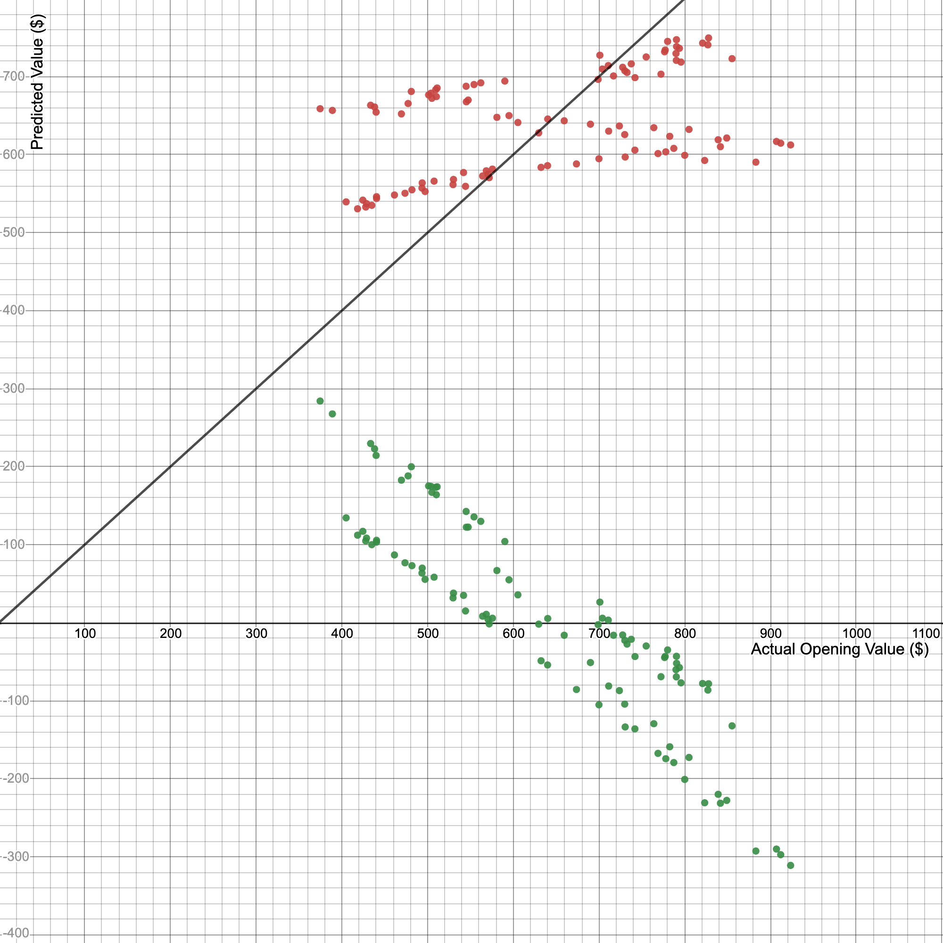
 |  |  |  |  |  |  |  |  |  |  | Mar. 09, 2020 | 605.39 | 641.17208179 | 388159.16659 | 366497.0521 | 411101.63846
 |  |  |  |  |  |  |  |  |  |  | Feb. 28, 2020 | 629.7 | 627.90270033 | 395390.3304 | 396522.09 | 394261.80108
 |  |  |  |  |  |  |  |  |  |  | Jan. 30, 2020 | 632.42 | 583.6714288 | 369125.485 | 399955.0564 | 340672.3368
 |  |  |  |  |  |  |  |  |  |  | Jan. 31, 2020 | 640 | 585.88299238 | 374965.11512 | 409600 | 343258.88076
 |  |  |  |  |  |  |  |  |  |  | Mar. 11, 2020 | 640.2 | 645.59520894 | 413310.05276 | 409856.04 | 416793.17381
 |  |  |  |  |  |  |  |  |  |  | Mar. 10, 2020 | 659.43 | 643.38364536 | 424266.47726 | 434847.9249 | 413942.51512 |  |  | y1=x1
 |  |  |  |  |  |  |  |  |  |  | Feb. 03, 2020 | 673.69 | 588.09455596 | 396193.4214 | 453858.2161 | 345855.20674 |  |  | r^2 = -3.31
 |  |  |  |  |  |  |  |  |  |  | Mar. 06, 2020 | 690 | 638.96051821 | 440882.75757 | 476100 | 408270.54383
 |  |  |  |  |  |  |  |  |  |  | Apr. 14, 2020 | 698.97 | 696.4611712 | 486805.46483 | 488559.0609 | 485058.16299
 |  |  |  |  |  |  |  |  |  |  | Feb. 06, 2020 | 699.92 | 594.72924668 | 416262.89434 | 489888.0064 | 353702.87686
 |  |  |  |  |  |  |  |  |  |  | May 04, 2020 | 701 | 727.42306127 | 509923.56595 | 491401 | 529144.31006
 |  |  |  |  |  |  |  |  |  |  | Apr. 22, 2020 | 703.98 | 709.73055266 | 499636.11446 | 495587.8404 | 503717.45737
 |  |  |  |  |  |  |  |  |  |  | Apr. 24, 2020 | 710.81 | 714.15367981 | 507627.57714 | 505250.8561 | 510015.47838
 |  |  |  |  |  |  |  |  |  |  | Mar. 02, 2020 | 711.26 | 630.11426391 | 448175.07135 | 505890.7876 | 397043.98558
 |  |  |  |  |  |  |  |  |  |  | Apr. 16, 2020 | 716.94 | 700.88429835 | 502491.98886 | 514002.9636 | 491238.79967
 |  |  |  |  |  |  |  |  |  |  | Mar. 05, 2020 | 723.77 | 636.74895464 | 460859.7909 | 523843.0129 | 405449.23123
 |  |  |  |  |  |  |  |  |  |  | Apr. 23, 2020 | 727.6 | 711.94211623 | 518009.08377 | 529401.76 | 506861.57686
 |  |  |  |  |  |  |  |  |  |  | Feb. 27, 2020 | 730 | 625.69113675 | 456754.52983 | 532900 | 391489.39861
 |  |  |  |  |  |  |  |  |  |  | Apr. 21, 2020 | 730.12 | 707.51898908 | 516573.76431 | 533075.2144 | 500583.11991
 |  |  |  |  |  |  |  |  |  |  | Feb. 07, 2020 | 730.55 | 596.94081026 | 436095.10894 | 533703.3025 | 356338.33096
 |  |  |  |  |  |  |  |  |  |  | Apr. 20, 2020 | 732.7 | 705.3074255 | 516778.75067 | 536849.29 | 497458.56447
 |  |  |  |  |  |  |  |  |  |  | Apr. 27, 2020 | 737.61 | 716.36524338 | 528398.16717 | 544068.5121 | 513179.16193
 |  |  |  |  |  |  |  |  |  |  | Feb. 13, 2020 | 741.84 | 605.78706457 | 449397.07598 | 550326.5856 | 366977.9676
 |  |  |  |  |  |  |  |  |  |  | Apr. 15, 2020 | 742 | 698.67273477 | 518415.1692 | 550564 | 488143.59032
 |  |  |  |  |  |  |  |  |  |  | May 01, 2020 | 755 | 725.21149769 | 547534.68076 | 570025 | 525931.71638
 |  |  |  |  |  |  |  |  |  |  | Mar. 04, 2020 | 763.96 | 634.53739106 | 484761.18527 | 583634.8816 | 402637.70065
 |  |  |  |  |  |  |  |  |  |  | Feb. 11, 2020 | 768.79 | 601.36393741 | 462322.58144 | 591038.0641 | 361638.58522
 |  |  |  |  |  |  |  |  |  |  | Apr. 17, 2020 | 772.28 | 703.09586193 | 542986.87225 | 596416.3984 | 494343.79106
 |  |  |  |  |  |  |  |  |  |  | May 06, 2020 | 776.5 | 731.84618842 | 568278.56531 | 602952.25 | 535598.8435
 |  |  |  |  |  |  |  |  |  |  | May 07, 2020 | 777.21 | 734.057752 | 570517.02543 | 604055.3841 | 538840.78326
 |  |  |  |  |  |  |  |  |  |  | Feb. 12, 2020 | 777.87 | 603.57550099 | 469503.27496 | 605081.7369 | 364303.3854
 |  |  |  |  |  |  |  |  |  |  | May 14, 2020 | 780 | 745.11556988 | 581190.1445 | 608400 | 555197.21247
 |  |  |  |  |  |  |  |  |  |  | Feb. 26, 2020 | 782.5 | 623.47957318 | 487872.76601 | 612306.25 | 388726.77817
 |  |  |  |  |  |  |  |  |  |  | Feb. 14, 2020 | 787.22 | 607.99862814 | 478628.68005 | 619715.3284 | 369662.33182
 |  |  |  |  |  |  |  |  |  |  | May 05, 2020 | 789.79 | 729.63462484 | 576258.13035 | 623768.2441 | 532366.68577
 |  |  |  |  |  |  |  |  |  |  | Apr. 29, 2020 | 790.17 | 720.78837054 | 569545.34675 | 624368.6289 | 519535.8751
 |  |  |  |  |  |  |  |  |  |  | May 15, 2020 | 790.35 | 747.32713345 | 590649.99992 | 624653.1225 | 558497.8444
 |  |  |  |  |  |  |  |  |  |  | May 11, 2020 | 790.51 | 738.48087915 | 583776.51978 | 624906.0601 | 545354.00887
 |  |  |  |  |  |  |  |  |  |  | May 08, 2020 | 793.77 | 736.26931557 | 584428.49462 | 630070.8129 | 542092.50505
 |  |  |  |  |  |  |  |  |  |  | Apr. 28, 2020 | 795.64 | 718.57680696 | 571728.45069 | 633043.0096 | 516352.6275
 |  |  |  |  |  |  |  |  |  |  | Feb. 10, 2020 | 800 | 599.15237384 | 479321.89907 | 640000 | 358983.56707
 |  |  |  |  |  |  |  |  |  |  | Mar. 03, 2020 | 805 | 632.32582748 | 509022.29112 | 648025 | 399835.9521
 |  |  |  |  |  |  |  |  |  |  | May 13, 2020 | 820.83 | 742.9040063 | 609797.89549 | 673761.8889 | 551906.36258
May 04, 2020 | 701 | 727.42306127 | 29 | 823.26 | 33559.93172 | (484.46, 539.34] | 539.34 | 12 | 12 | 29 | Feb. 05, 2020 | 823.26 | 592.51768311 | 487796.1078 | 677757.0276 | 351077.2048
May 05, 2020 | 789.79 | 729.63462484 | 96 | 827 | 34944.208196 | (539.34, 594.22] | 594.22 | 14 | 14 | 96 | May 12, 2020 | 827 | 740.69244272 | 612552.65013 | 683929 | 548625.29471
May 06, 2020 | 776.5 | 731.84618842 | 100 | 827.78 | 35236.433168 | (594.22, 649.1] | 649.1 | 6 | 6 | 100 | May 18, 2020 | 827.78 | 749.53869703 | 620453.14263 | 685219.7284 | 561808.25834
May 07, 2020 | 777.21 | 734.057752 | 41 | 839 | 39574.616996 | (649.1, 703.98] | 703.98 | 7 | 7 | 41 | Feb. 24, 2020 | 839 | 619.05644602 | 519388.35821 | 703921 | 383230.88336
May 08, 2020 | 793.77 | 736.26931557 | 37 | 841.6 | 40615.832236 | (703.98, 758.86] | 758.86 | 13 | 13 | 37 | Feb. 18, 2020 | 841.6 | 610.21019172 | 513552.89735 | 708290.56 | 372356.47808
May 11, 2020 | 790.51 | 738.48087915 | 42 | 849 | 43653.290996 | (758.86, 813.74] | 813.74 | 17 | 17 | 42 | Feb. 25, 2020 | 849 | 621.2680096 | 527456.54015 | 720801 | 385973.93975
May 12, 2020 | 827 | 740.69244272 | 88 | 855.19 | 46278.206302 | (813.74, 868.62] | 868.62 | 8 | 8 | 88 | Apr. 30, 2020 | 855.19 | 722.99993411 | 618302.31365 | 731349.9361 | 522728.90473
May 13, 2020 | 820.83 | 742.9040063 | 28 | 882.96 | 58997.3495 | (868.62, 923.5] | 923.5 | 4 | 4 | 28 | Feb. 04, 2020 | 882.96 | 590.30611953 | 521216.6913 | 779618.3616 | 348461.31476
May 14, 2020 | 780 | 745.11556988 | 40 | 906.98 | 71242.923248 |  |  |  |  | 40 | Feb. 21, 2020 | 906.98
May 15, 2020 | 790.35 | 747.32713345 | 39 | 911.95 | 73920.746326 | Sum | 100 |  |  | 39 | Feb. 20, 2020 | 911.95
TESLA OPENING STOCK VALUE
[374.7, 429.58] | 7
(429.58, 484.46] | 12
(484.46, 539.34] | 12
(539.34, 594.22] | 14
(594.22, 649.1] | 6
(649.1, 703.98] | 7
(703.98, 758.86] | 13
(758.86, 813.74] | 17
(813.74, 868.62] | 8
(868.62, 923.5] | 4
May 18, 2020 | 827.78 | 749.53869703 | 38 | 923.5 | 80334.662296 |  |  |  |  | 38 | Feb. 19, 2020 | 923.5

Walmart
 |  |  |  |  |  |  |  |  |  | Google (GOOG) Variable Analysis Sorted By Opening Value
 |  |  |  |  |  |  |  |  |  | https://ca.finance.yahoo.com/quote/GOOG/history?p=GOOG
 | Opening | Predicted Value | Sorted Time | Sorted Opening | (x-mean)^2 |  |  |  |  | Time Intervals | Date | Opening (x) | Predicted Value (y) | x*y
Stock Opening Value vs. Time Intervals
 | 119.94
1 | 119.94
2 | 119.8
3 | 119.5
4 | 118.86
5 | 118.27
6 | 117.4
7 | 117.26
8 | 116.3
9 | 116.15
10 | 117.24
11 | 116.38
12 | 115.47
13 | 114.63
14 | 115.5
15 | 116.05
16 | 114.59
17 | 115.22
18 | 116.21
19 | 116
20 | 113.19
21 | 115.98
22 | 116.56
23 | 115.61
24 | 115.8
25 | 114.9
26 | 115.24
27 | 115.6
28 | 116.83
29 | 116.11
30 | 115.75
31 | 115.43
32 | 115.5
33 | 115.85
34 | 117.67
35 | 118.47
36 | 119.5
37 | 117.21
38 | 117.44
39 | 117.46
40 | 116.35
41 | 114.7
42 | 112.56
43 | 107.69
44 | 107.6
45 | 116.08
46 | 114.24
47 | 114.4
48 | 113.87
49 | 113.82
50 | 118.1
...
 | 119.94 | 113.07197897 | 54 | 105.2 | 174.71984011 |  |  |  |  | 54 | Mar. 16, 2020 | 105.2 | 118.91420098 | 12509.773943
 | 119.8 | 113.18220958 | 52 | 106.02 | 153.71445235 |  |  |  |  | 52 | Mar. 12, 2020 | 106.02 | 118.69373978 | 12583.910291
 | 119.5 | 113.29244018 | 44 | 107.6 | 117.03265643 |  |  |  |  | 44 | Mar. 02, 2020 | 107.6 | 117.81189494 | 12676.559896
 | 118.86 | 113.40267079 | 43 | 107.69 | 115.09348705 |  |  |  |  | 43 | Feb. 28, 2020 | 107.69 | 117.70166434 | 12675.292233
 | 118.27 | 113.51290139 | 53 | 108.24 | 103.59500746 |  |  |  |  | 53 | Mar. 13, 2020 | 108.24 | 118.80397038 | 12859.341754
 | 117.4 | 113.62313199 | 62 | 109.4 | 81.32726868 |  |  |  |  | 62 | Mar. 26, 2020 | 109.4 | 119.79604581 | 13105.687412
 | 117.26 | 113.7333626 | 63 | 110.11 | 69.025576843 |  |  |  |  | 63 | Mar. 27, 2020 | 110.11 | 119.90627642 | 13202.880096
 | 116.3 | 113.8435932 | 64 | 111.86 | 43.009505414 |  |  |  |  | 64 | Mar. 30, 2020 | 111.86 | 120.01650702 | 13425.046476
 | 116.15 | 113.95382381 | 66 | 112.15 | 39.289870721 |  |  |  |  | 66 | Apr. 01, 2020 | 112.15 | 120.23696823 | 13484.575987
 | 117.24 | 114.06405441 | 42 | 112.56 | 34.318076843 |  |  |  |  | 42 | Feb. 27, 2020 | 112.56 | 117.59143374 | 13236.091781
 | 116.38 | 114.17428501 | 55 | 112.77 | 31.901748272 |  |  |  |  | 55 | Mar. 17, 2020 | 112.77 | 119.02443159 | 13422.38515
 | 115.47 | 114.28451562 | 61 | 112.97 | 29.682482965 |  |  |  |  | 61 | Mar. 25, 2020 | 112.97 | 119.68581521 | 13520.906544
 | 114.63 | 114.39474622 | 67 | 113.18 | 27.438354394 |  |  |  |  | 67 | Apr. 02, 2020 | 113.18 | 120.34719883 | 13620.895964 | 12809.7124 | 14483.448267 | Coefficient of Correlation (r) | 0.53078147707
 | 115.5 | 114.50497682 | 20 | 113.19 | 27.333691129 |  |  |  |  | 20 | Jan. 27, 2020 | 113.19 | 115.16636045 | 13035.680339 | 12811.9761 | 13263.290579 | Coefficient of Determination (r^2) | 0.2817289764
 | 116.05 | 114.61520743 | 49 | 113.82 | 21.143105414 |  |  |  |  | 49 | Mar. 09, 2020 | 113.82 | 118.36304796 | 13472.082119 | 12954.9924 | 14009.811123 | m (slope) | 0.2817289764
 | 114.59 | 114.72543803 | 48 | 113.87 | 20.685789088 |  |  |  |  | 48 | Mar. 06, 2020 | 113.87 | 118.25281736 | 13465.448313 | 12966.3769 | 13983.728813 | b (y-intercept) | 85.056335342
 | 115.22 | 114.83566864 | 59 | 114.17 | 18.046891129 |  |  |  |  | 59 | Mar. 23, 2020 | 114.17 | 119.465354 | 13639.359467 | 13034.7889 | 14271.970807
 | 116.21 | 114.94589924 | 46 | 114.24 | 17.457048272 |  |  |  |  | 46 | Mar. 04, 2020 | 114.24 | 118.03235615 | 13484.016367 | 13050.7776 | 13931.637099 | Equation of best fit lit without outliers
 | 116 | 115.05612984 | 65 | 114.31 | 16.877005414 |  |  |  |  | 65 | Mar. 31, 2020 | 114.31 | 120.12673763 | 13731.687378 | 13066.7761 | 14430.433093 | y = 0.2817x + 85.056
 | 113.19 | 115.16636045 | 47 | 114.4 | 16.145636027 |  |  |  |  | 47 | Mar. 05, 2020 | 114.4 | 118.14258676 | 13515.511925 | 13087.36 | 13957.670805
 | 115.98 | 115.27659105 | 16 | 114.59 | 14.654833986 |  |  |  |  | 16 | Jan. 21, 2020 | 114.59 | 114.72543803 | 13146.387944 | 13130.8681 | 13161.926132
 | 116.56 | 115.38682166 | 13 | 114.63 | 14.350180925 |  |  |  |  | 13 | Jan. 15, 2020 | 114.63 | 114.39474622 | 13113.069759 | 13140.0369 | 13086.157963
Walmart Predicted vs. Actual Stock Value (no outliers)
 | Predicted Value (y)
105.2 | 118.91420098
106.02 | 118.69373978
107.6 | 117.81189494
107.69 | 117.70166434
108.24 | 118.80397038
109.4 | 119.79604581
110.11 | 119.90627642
111.86 | 120.01650702
112.15 | 120.23696823
112.56 | 117.59143374
112.77 | 119.02443159
112.97 | 119.68581521
113.18 | 120.34719883
113.19 | 115.16636045
113.82 | 118.36304796
113.87 | 118.25281736
114.17 | 119.465354
114.24 | 118.03235615
114.31 | 120.12673763
114.4 | 118.14258676
114.59 | 114.72543803
114.63 | 114.39474622
114.7 | 117.48120313
114.9 | 115.71751347
115 | 119.13466219
115.22 | 114.83566864
115.24 | 115.82774407
115.43 | 116.37889709
115.47 | 114.28451562
115.5 | 114.50497682
115.5 | 116.4891277
115.6 | 115.93797468
115.61 | 115.49705226
115.75 | 116.26866649
115.8 | 115.60728286
115.85 | 116.5993583
115.87 | 119.57558461
115.98 | 115.27659105
116 | 115.05612984
116.05 | 114.61520743
116.08 | 117.92212555
116.11 | 116.15843588
116.15 | 113.95382381
116.21 | 114.94589924
116.3 | 113.8435932
116.35 | 117.37097253
116.38 | 114.17428501
116.56 | 115.38682166
116.83 | 116.04820528
117.21 | 117.04028072
...
 | 115.61 | 115.49705226 | 41 | 114.7 | 13.824738067 | Box and Whisker Diagram Calculations |  |  | Note: | 41 | Feb. 26, 2020 | 114.7 | 117.48120313 | 13475.093999 | 13156.09 | 13801.833089
 | 115.8 | 115.60728286 | 25 | 114.9 | 12.377472761 | Interquartile Range (IQR) |  | 8.015 | 1. For us to be able to analyze this data, we are going | 25 | Feb. 03, 2020 | 114.9 | 115.71751347 | 13295.942298 | 13202.01 | 13390.542923
 | 114.9 | 115.71751347 | 56 | 115 | 11.683840108 | Min |  | 105.2 | to have to sort it from least to greatest. | 56 | Mar. 18, 2020 | 115 | 119.13466219 | 13700.486152 | 13225 | 14193.067735
 | 115.24 | 115.82774407 | 17 | 115.22 | 10.228248272 | Q1 |  | 115.055 | 2. Median occurs at the 49th data point (ceil(98/2)) | 17 | Jan. 22, 2020 | 115.22 | 114.83566864 | 13231.36574 | 13275.6484 | 13187.230791
 | 115.6 | 115.93797468 | 26 | 115.24 | 10.100721741 | Median |  | 117.02 | 3. Use function *quartile.inc(array of data, quartile number) | 26 | Feb. 04, 2020 | 115.24 | 115.82774407 | 13347.989227 | 13280.2576 | 13416.066297
 | 116.83 | 116.04820528 | 31 | 115.43 | 8.9291197001 | Q3 |  | 123.07 | 4. Outlier is 1.5*IQR away from data | 31 | Feb. 11, 2020 | 115.43 | 116.37889709 | 13433.616091 | 13324.0849 | 13544.047688
 | 116.11 | 116.15843588 | 12 | 115.47 | 8.6916666389 | Max |  | 132.39 |  | 12 | Jan. 14, 2020 | 115.47 | 114.28451562 | 13196.433018 | 13333.3209 | 13060.95051
 | 115.75 | 116.26866649 | 14 | 115.5 | 8.515676843 | Outlier Min |  | 103.0325 |  | 14 | Jan. 16, 2020 | 115.5 | 114.50497682 | 13225.324823 | 13340.25 | 13111.389718
 | 115.43 | 116.37889709 | 32 | 115.5 | 8.515676843 | Outlier Max |  | 135.0925 |  | 32 | Feb. 12, 2020 | 115.5 | 116.4891277 | 13454.494249 | 13340.25 | 13569.716871
 |  |  |  |  |  |  |  |  |  |  |  | 115.6 | 115.93797468 | 13402.429873 | 13363.36 | 13441.613972
 |  |  |  |  |  |  |  |  |  |  |  | 115.61 | 115.49705226 | 13352.614212 | 13365.6721 | 13339.569081
 |  |  |  |  |  |  |  |  |  |  |  | 115.75 | 116.26866649 | 13458.098146 | 13398.0625 | 13518.402807
 |  |  |  |  |  |  |  |  |  |  |  | 115.8 | 115.60728286 | 13387.323356 | 13409.64 | 13365.043851
 |  |  |  |  |  |  |  |  |  |  |  | 115.85 | 116.5993583 | 13508.035659 | 13421.2225 | 13595.410356
 |  |  |  |  |  |  |  |  |  |  |  | 115.87 | 119.57558461 | 13855.222988 | 13425.8569 | 14298.320434
 |  |  |  |  |  |  |  |  |  |  |  | 115.98 | 115.27659105 | 13369.77903 | 13451.3604 | 13288.692445
 |  |  |  |  |  |  |  |  |  |  |  | 116 | 115.05612984 | 13346.511062 | 13456 | 13237.913015
 |  |  |  |  |  |  |  |  |  |  |  | 116.05 | 114.61520743 | 13301.094822 | 13467.6025 | 13136.645774
 |  |  |  |  |  |  |  |  |  |  |  | 116.08 | 117.92212555 | 13688.400334 | 13474.5664 | 13905.627694
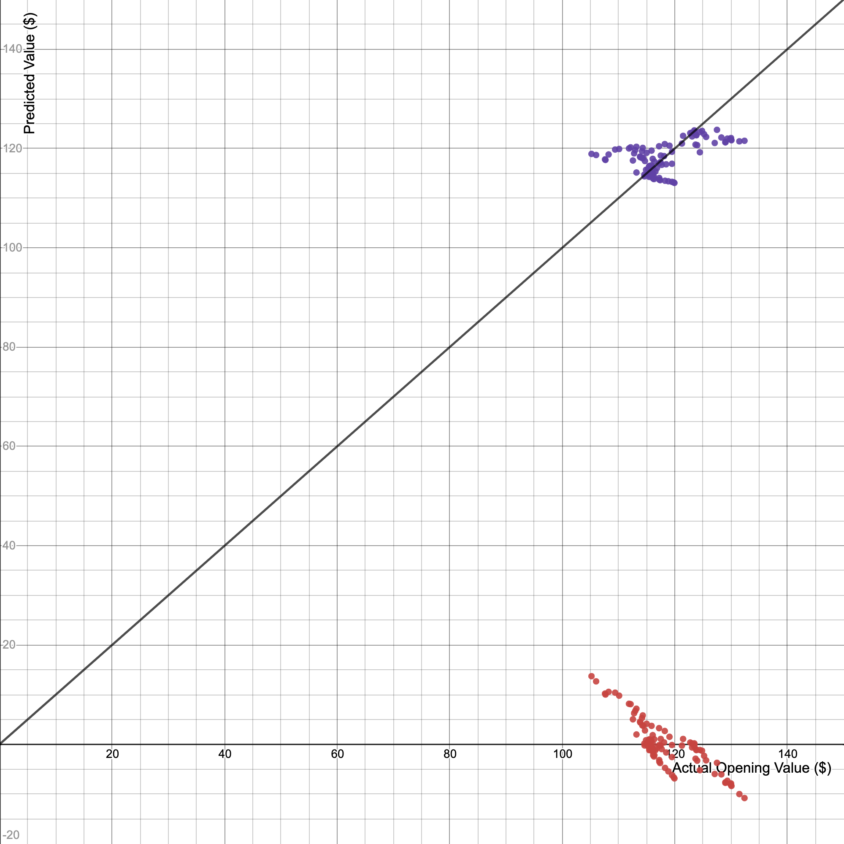
 |  |  |  |  |  |  |  |  |  |  |  | 116.11 | 116.15843588 | 13487.155991 | 13481.5321 | 13492.782227
 |  |  |  |  |  |  |  |  |  |  |  | 116.15 | 113.95382381 | 13235.736635 | 13490.8225 | 12985.47396
 |  |  |  |  |  |  |  |  |  |  |  | 116.21 | 114.94589924 | 13357.862951 | 13504.7641 | 13212.559752
 |  |  |  |  |  |  |  |  |  |  |  | 116.3 | 113.8435932 | 13240.009889 | 13525.69 | 12960.363713
 |  |  |  |  |  |  |  |  |  |  |  | 116.35 | 117.37097253 | 13656.112654 | 13537.3225 | 13775.945192
 |  |  |  |  |  |  |  |  |  |  |  | 116.38 | 114.17428501 | 13287.60329 | 13544.3044 | 13035.767358
 |  |  |  |  |  |  |  |  |  |  |  | 116.56 | 115.38682166 | 13449.487932 | 13586.2336 | 13314.118612
 |  |  |  |  |  |  |  |  |  |  |  | 116.83 | 116.04820528 | 13557.911823 | 13649.2489 | 13467.185949 |  |  | y1 = x1
 |  |  |  |  |  |  |  |  |  |  |  | 117.21 | 117.04028072 | 13718.291303 | 13738.1841 | 13698.42731 |  |  | r^2 = -1.55
 |  |  |  |  |  |  |  |  |  |  |  | 117.21 | 120.45742944 | 14118.815304 | 13738.1841 | 14509.992307
 |  |  |  |  |  |  |  |  |  |  |  | 117.24 | 114.06405441 | 13372.869739 | 13745.2176 | 13010.608508
 |  |  |  |  |  |  |  |  |  |  |  | 117.26 | 113.7333626 | 13336.374098 | 13749.9076 | 12935.277768
 |  |  |  |  |  |  |  |  |  |  |  | 117.4 | 113.62313199 | 13339.355696 | 13782.76 | 12910.216124
 |  |  |  |  |  |  |  |  |  |  |  | 117.44 | 117.15051132 | 13758.156049 | 13792.1536 | 13724.242302
 |  |  |  |  |  |  |  |  |  |  |  | 117.46 | 117.26074192 | 13773.446746 | 13796.8516 | 13750.081597
 |  |  |  |  |  |  |  |  |  |  |  | 117.51 | 118.58350917 | 13934.748163 | 13808.6001 | 14062.048647
 |  |  |  |  |  |  |  |  |  |  |  | 117.67 | 116.7095889 | 13733.217326 | 13846.2289 | 13621.128142
 |  |  |  |  |  |  |  |  |  |  |  | 118.1 | 118.47327857 | 13991.694199 | 13947.61 | 14035.917734
 |  |  |  |  |  |  |  |  |  |  |  | 118.22 | 120.89835185 | 14292.603156 | 13975.9684 | 14616.411481
 |  |  |  |  |  |  |  |  |  |  |  | 118.27 | 113.51290139 | 13425.170847 | 13987.7929 | 12885.178782
 |  |  |  |  |  |  |  |  |  |  |  | 118.47 | 116.81981951 | 13839.644017 | 14035.1409 | 13646.87023
 |  |  |  |  |  |  |  |  |  |  |  | 118.86 | 113.40267079 | 13479.04145 | 14127.6996 | 12860.165741
 |  |  |  |  |  |  |  |  |  |  |  | 119.06 | 120.56766004 | 14354.785605 | 14175.2836 | 14536.560648
 |  |  |  |  |  |  |  |  |  |  |  | 119.5 | 113.29244018 | 13538.446602 | 14280.25 | 12835.177002
 |  |  |  |  |  |  |  |  |  |  |  | 119.5 | 116.93005011 | 13973.140988 | 14280.25 | 13672.636619
 |  |  |  |  |  |  |  |  |  |  |  | 119.5 | 119.3551234 | 14262.937246 | 14280.25 | 14245.645482
 |  |  |  |  |  |  |  |  |  |  |  | 119.8 | 113.18220958 | 13559.228707 | 14352.04 | 12810.212565
 |  |  |  |  |  |  |  |  |  |  |  | 119.94 | 113.07197897 | 13561.853158 | 14385.6036 | 12785.272429
 |  |  |  |  |  |  |  |  |  |  |  | 121.27 | 121.00858246 | 14674.710795 | 14706.4129 | 14643.077029
 |  |  |  |  |  |  |  |  |  |  |  | 121.48 | 122.55181091 | 14887.59399 | 14757.3904 | 15018.946358
 |  |  |  |  |  |  |  |  |  |  |  | 122.75 | 123.10296393 | 15110.888823 | 15067.5625 | 15154.339729
 |  |  |  |  |  |  |  |  |  |  |  | 123.04 | 123.21319454 | 15160.151456 | 15138.8416 | 15181.491308
 |  |  |  |  |  |  |  |  |  |  |  | 123.08 | 122.44158031 | 15070.109705 | 15148.6864 | 14991.940589
 |  |  |  |  |  |  |  |  |  |  |  | 123.46 | 122.99273333 | 15184.682857 | 15242.3716 | 15127.212452
 |  |  |  |  |  |  |  |  |  |  |  | 123.47 | 123.65411695 | 15267.57382 | 15244.8409 | 15290.340639
 |  |  |  |  |  |  |  |  |  |  |  | 123.5 | 123.43365575 | 15244.056485 | 15252.25 | 15235.867371
 |  |  |  |  |  |  |  |  |  |  |  | 123.69 | 120.78812125 | 14940.282717 | 15299.2161 | 14589.770235
 |  |  |  |  |  |  |  |  |  |  |  | 123.8 | 122.77227212 | 15199.207289 | 15326.44 | 15073.030802
 |  |  |  |  |  |  |  |  |  |  |  | 123.84 | 122.66204152 | 15190.467222 | 15336.3456 | 15045.976429
 |  |  |  |  |  |  |  |  |  |  |  | 123.98 | 120.67789065 | 14961.644882 | 15371.0404 | 14563.153291
 |  |  |  |  |  |  |  |  |  |  |  | 124.46 | 119.24489279 | 14841.219357 | 15490.2916 | 14219.344458
 |  |  |  |  |  |  |  |  |  |  |  | 124.48 | 123.32342514 | 15351.299962 | 15495.2704 | 15208.667189
 |  |  |  |  |  |  |  |  |  |  |  | 124.85 | 123.54388635 | 15424.454211 | 15587.5225 | 15263.091854
 |  |  |  |  |  |  |  |  |  |  |  | 125.21 | 122.88250273 | 15386.118166 | 15677.5441 | 15100.109476
 |  |  |  |  |  |  |  |  |  |  |  | 125.57 | 122.33134971 | 15361.147583 | 15767.8249 | 14964.959121
 |  |  |  |  |  |  |  |  |  |  |  | 127.1 | 121.11881306 | 15394.20114 | 16154.41 | 14669.766878
 |  |  |  |  |  |  |  |  |  |  |  | 127.5 | 123.76434756 | 15779.954314 | 16256.25 | 15317.613726
May 05, 2020 | 123.8 | 122.77227212 | 84 | 128.28 | 97.255823782 | (110.638, 113.357] | 113.357 | 7 | 7.1428571429 | 84 | Apr. 28, 2020 | 128.28 | 122.2211191 | 15678.525158 | 16455.7584 | 14938.001954
May 06, 2020 | 125.21 | 122.88250273 | 75 | 129 | 111.97526868 | (113.357, 116.076] | 116.076 | 26 | 26.530612245 | 75 | Apr. 15, 2020 | 129 | 121.22904367 | 15638.546633 | 16641 | 14696.481028
May 07, 2020 | 123.46 | 122.99273333 | 76 | 129 | 111.97526868 | (116.076, 118.795] | 118.795 | 22 | 22.448979592 | 76 | Apr. 16, 2020 | 129 | 121.33927427 | 15652.766381 | 16641 | 14723.21948
May 08, 2020 | 122.75 | 123.10296393 | 82 | 129.35 | 119.50505439 | (118.795, 121.514] | 121.514 | 9 | 9.1836734694 | 82 | Apr. 24, 2020 | 129.35 | 122.00065789 | 15780.785099 | 16731.4225 | 14884.160527
May 11, 2020 | 123.04 | 123.21319454 | 81 | 129.85 | 130.68689113 | (121.514, 124.233] | 124.233 | 10 | 10.204081633 | 81 | Apr. 23, 2020 | 129.85
May 12, 2020 | 124.48 | 123.32342514 | 80 | 130 | 134.13894215 | (124.233, 126.952] | 126.952 | 5 | 5.1020408163 | 80 | Apr. 22, 2020 | 130
May 13, 2020 | 123.5 | 123.43365575 | 83 | 130 | 134.13894215 | (126.952, 129.671] | 129.671 | 6 | 6.1224489796 | 83 | Apr. 27, 2020 | 130
May 14, 2020 | 124.85 | 123.54388635 | 79 | 130.07 | 135.76529929 | (129.671, 132.39] | 132.39 | 6 | 6.1224489796 | 79 | Apr. 21, 2020 | 130.07
May 15, 2020 | 123.47 | 123.65411695 | 77 | 131.48 | 170.61157888 |  |  |  |  | 77 | Apr. 17, 2020 | 131.48
May 18, 2020 | 127.5 | 123.76434756 | 78 | 132.39 | 195.21222174 | Sum | 98 |  |  | 78 | Apr. 20, 2020 | 132.39
WALMART OPENING STOCK VALUE
[105.2, 107.919] | 4
(107.919, 110.638] | 3
(110.638, 113.357] | 7
(113.357, 116.076] | 26
(116.076, 118.795] | 22
(118.795, 121.514] | 9
(121.514, 124.233] | 10
(124.233, 126.952] | 5
(126.952, 129.671] | 6
(129.671, 132.39] | 6

